10x100-fi-vs-ch
Fraction of instances that improves from ch |  |  |  |  |  |  |  |  |  |  |  |  |  | Deviation |  | Time
 |  |  |  | First Improvement |  |  |  |  |  |  |  |  |  | random | 9.00 | random | 3.25
 | Random | Greedy | Toyoda | Random | Greedy | Toyoda | Time |  |  |  | Percentage Deviation |  |  | random | 7.69 | random | 3.18
Instance | Δ avg | Δ | Δ | Δ avg | Δ | Δ | random | greedy | toyoda |  | random | greedy | toyoda | random | 9.82 | random | 3.00
OR10x100-0.25_1 | 24.70 | 14.13 | 4.80 | 9.00 | 8.10 | 0.00 | 3.25 | 1.07 | 3.88 |  | 9.00 | 8.10 | 0.00 | random | 9.14 | random | 2.95
OR10x100-0.25_2 | 28.52 | 23.90 | 6.12 | 7.69 | 6.28 | 2.93 | 3.18 | 2.77 | 2.75 |  | 7.69 | 6.28 | 2.93 | random | 10.37 | random | 3.13
OR10x100-0.25_3 | 27.92 | 21.88 | 7.62 | 9.82 | 9.19 | 4.36 | 3.00 | 1.33 | 1.78 |  | 9.82 | 9.19 | 4.36 | random | 8.48 | random | 2.87
OR10x100-0.25_4 | 24.58 | 9.66 | 8.96 | 9.14 | 7.35 | 4.64 | 2.95 | 0.64 | 1.17 |  | 9.14 | 7.35 | 4.64 | random | 9.04 | random | 3.08
OR10x100-0.25_5 | 27.30 | 11.45 | 8.28 | 10.37 | 7.90 | 3.77 | 3.13 | 1.68 | 1.23 |  | 10.37 | 7.90 | 3.77 | random | 9.65 | random | 2.89
OR10x100-0.25_6 | 23.94 | 14.87 | 3.41 | 8.48 | 6.90 | 2.11 | 2.87 | 1.32 | 1.99 |  | 8.48 | 6.90 | 2.11 | random | 9.00 | random | 3.16
OR10x100-0.25_7 | 26.45 | 14.65 | 6.39 | 9.04 | 6.85 | 2.64 | 3.08 | 1.75 | 1.82 |  | 9.04 | 6.85 | 2.64 | random | 8.05 | random | 3.17
OR10x100-0.25_8 | 27.40 | 12.71 | 6.07 | 9.65 | 6.41 | 2.16 | 2.89 | 1.63 | 2.14 |  | 9.65 | 6.41 | 2.16 | random | 5.53 | random | 3.98
OR10x100-0.25_9 | 27.02 | 14.08 | 5.85 | 9.00 | 8.30 | 2.74 | 3.16 | 1.60 | 1.26 |  | 9.00 | 8.30 | 2.74 | random | 4.08 | random | 4.38
OR10x100-0.25_10 | 26.16 | 19.58 | 2.92 | 8.05 | 11.84 | 2.88 | 3.17 | 1.10 | 1.28 |  | 8.05 | 11.84 | 2.88 | random | 5.50 | random | 3.95
OR10x100-0.50_1 | 18.26 | 7.77 | 2.74 | 5.53 | 2.69 | 1.40 | 3.98 | 2.28 | 2.06 |  | 5.53 | 2.69 | 1.40 | random | 3.74 | random | 4.62
OR10x100-0.50_2 | 16.93 | 6.38 | 2.77 | 4.08 | 3.22 | 1.03 | 4.38 | 1.25 | 3.48 |  | 4.08 | 3.22 | 1.03 | random | 4.65 | random | 4.13
OR10x100-0.50_3 | 17.79 | 9.65 | 1.80 | 5.50 | 4.12 | 1.17 | 3.95 | 2.46 | 3.12 |  | 5.50 | 4.12 | 1.17 | random | 4.76 | random | 4.28
OR10x100-0.50_4 | 18.46 | 8.90 | 4.21 | 3.74 | 6.41 | 1.43 | 4.62 | 1.52 | 5.18 |  | 3.74 | 6.41 | 1.43 | random | 4.60 | random | 4.16
OR10x100-0.50_5 | 18.14 | 9.43 | 2.40 | 4.65 | 4.12 | 0.45 | 4.13 | 1.09 | 2.60 |  | 4.65 | 4.12 | 0.45 | random | 5.59 | random | 4.36
OR10x100-0.50_6 | 17.75 | 10.27 | 2.70 | 4.76 | 5.38 | 1.84 | 4.28 | 1.91 | 1.65 |  | 4.76 | 5.38 | 1.84 | random | 5.08 | random | 3.98
OR10x100-0.50_7 | 18.29 | 6.77 | 1.51 | 4.60 | 3.70 | 0.98 | 4.16 | 1.07 | 3.78 |  | 4.60 | 3.70 | 0.98 | random | 5.52 | random | 3.81
OR10x100-0.50_8 | 17.90 | 4.82 | 3.35 | 5.59 | 3.64 | 1.06 | 4.36 | 0.93 | 2.41 |  | 5.59 | 3.64 | 1.06 | random | 1.96 | random | 2.67
OR10x100-0.50_9 | 20.17 | 9.28 | 1.47 | 5.08 | 4.13 | 0.60 | 3.98 | 2.46 | 2.11 |  | 5.08 | 4.13 | 0.60 | random | 2.39 | random | 2.68
OR10x100-0.50_10 | 16.84 | 8.54 | 2.85 | 5.52 | 3.58 | 0.84 | 3.81 | 1.68 | 3.05 |  | 5.52 | 3.58 | 0.84 | random | 3.01 | random | 2.36
OR10x100-0.75_1 | 10.63 | 4.73 | 1.87 | 1.96 | 1.63 | 0.81 | 2.67 | 1.48 | 1.01 |  | 1.96 | 1.63 | 0.81 | random | 2.51 | random | 2.52
OR10x100-0.75_2 | 10.77 | 5.37 | 2.44 | 2.39 | 1.91 | 0.77 | 2.68 | 1.52 | 1.90 |  | 2.39 | 1.91 | 0.77 | random | 2.66 | random | 2.79
OR10x100-0.75_3 | 10.51 | 4.40 | 2.00 | 3.01 | 0.90 | 0.36 | 2.36 | 2.28 | 2.13 |  | 3.01 | 0.90 | 0.36 | random | 2.70 | random | 2.51
OR10x100-0.75_4 | 9.29 | 3.65 | 4.41 | 2.51 | 1.33 | 0.81 | 2.52 | 1.41 | 1.15 |  | 2.51 | 1.33 | 0.81 | random | 3.21 | random | 2.51
OR10x100-0.75_5 | 11.70 | 3.38 | 0.98 | 2.66 | 2.07 | 0.77 | 2.79 | 0.88 | 1.87 |  | 2.66 | 2.07 | 0.77 | random | 3.16 | random | 2.56
OR10x100-0.75_6 | 10.06 | 4.57 | 1.41 | 2.70 | 2.38 | 0.79 | 2.51 | 0.92 | 1.84 |  | 2.70 | 2.38 | 0.79 | random | 1.85 | random | 2.79
OR10x100-0.75_7 | 10.37 | 4.63 | 1.61 | 3.21 | 1.86 | 0.44 | 2.51 | 0.99 | 2.58 |  | 3.21 | 1.86 | 0.44 | random | 1.82 | random | 2.85
OR10x100-0.75_8 | 9.74 | 6.01 | 1.46 | 3.16 | 1.45 | 0.38 | 2.56 | 1.86 | 1.70 |  | 3.16 | 1.45 | 0.38 | greedy | 8.10 | greedy | 1.07
OR10x100-0.75_9 | 10.80 | 4.53 | 2.01 | 1.85 | 0.85 | 1.21 | 2.79 | 1.95 | 1.95 |  | 1.85 | 0.85 | 1.21 | greedy | 6.28 | greedy | 2.77
OR10x100-0.75_10 | 11.01 | 3.17 | 2.28 | 1.82 | 0.57 | 0.21 | 2.85 | 1.64 | 2.36 |  | 1.82 | 0.57 | 0.21 | greedy | 9.19 | greedy | 1.33
 |  |  |  |  |  |  |  |  |  |  |  |  |  | greedy | 7.35 | greedy | 0.64
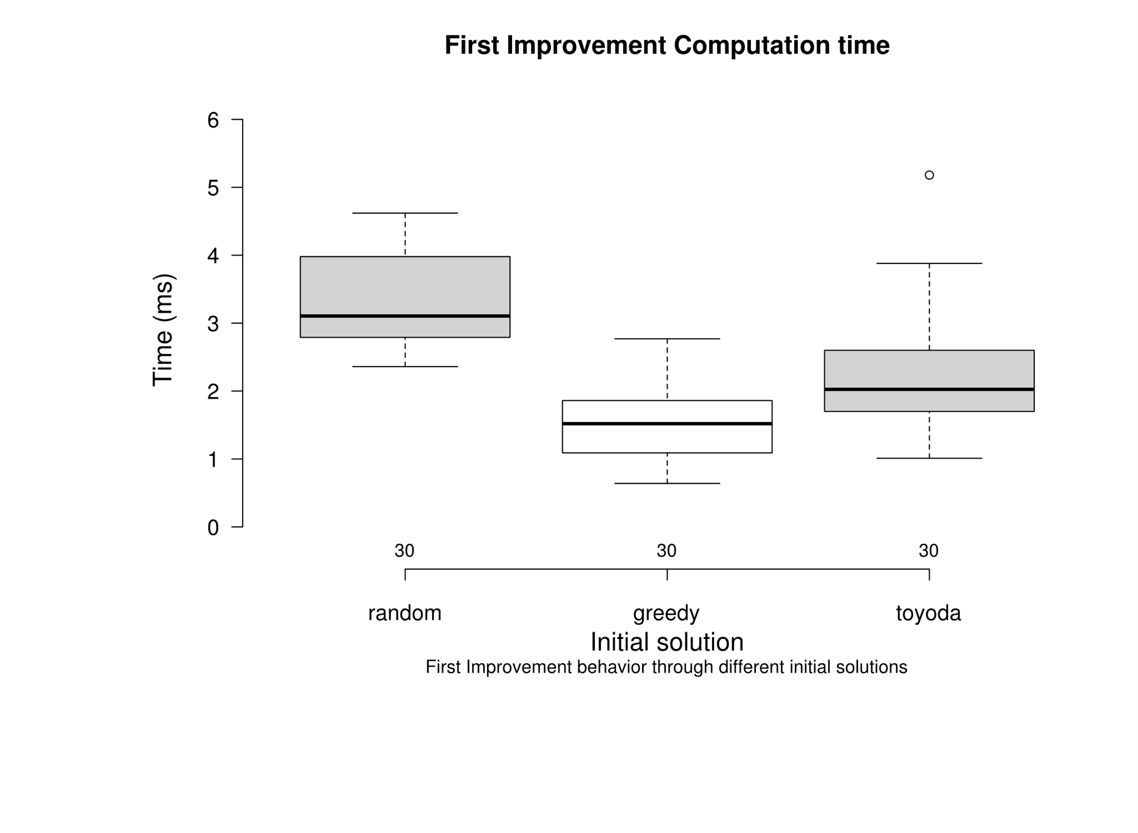
 |  |  |  |  |  |  |  |  |  |  |  |  |  | greedy | 7.90 | greedy | 1.68
 |  |  |  |  |  |  |  |  |  |  |  |  |  | greedy | 6.90 | greedy | 1.32
 |  |  |  |  |  |  |  |  |  |  |  |  |  | greedy | 6.85 | greedy | 1.75
 |  |  |  |  |  |  |  |  |  |  | greedy | random |  | greedy | 6.41 | greedy | 1.63
 |  |  |  |  |  |  |  |  |  | random | 2.20E-10 | - |  | greedy | 8.30 | greedy | 1.60
 |  |  |  |  |  |  |  |  |  | toyoda | 2.80E-03 | 1.30E-05 |  | greedy | 11.84 | greedy | 1.10
 |  |  |  |  |  |  |  |  |  |  |  |  |  | greedy | 2.69 | greedy | 2.28
 |  |  |  |  |  |  |  |  |  |  |  |  |  | greedy | 3.22 | greedy | 1.25
 |  |  |  |  |  |  |  |  |  |  |  |  |  | greedy | 4.12 | greedy | 2.46
 |  |  |  |  |  |  |  |  |  |  |  |  |  | greedy | 6.41 | greedy | 1.52
 |  |  |  |  |  |  |  |  |  |  |  |  |  | greedy | 4.12 | greedy | 1.09
 |  |  |  |  |  |  |  |  |  |  |  |  |  | greedy | 5.38 | greedy | 1.91
 |  |  |  |  |  |  |  |  |  |  |  |  |  | greedy | 3.70 | greedy | 1.07
 |  |  |  |  |  |  |  |  |  |  |  |  |  | greedy | 3.64 | greedy | 0.93
 |  |  |  |  |  |  |  |  |  |  |  |  |  | greedy | 4.13 | greedy | 2.46
 |  |  |  |  |  |  |  |  |  |  |  |  |  | greedy | 3.58 | greedy | 1.68
 |  |  |  |  |  |  |  |  |  |  |  |  |  | greedy | 1.63 | greedy | 1.48
 |  |  |  |  |  |  |  |  |  |  |  |  |  | greedy | 1.91 | greedy | 1.52
 |  |  |  |  |  |  |  |  |  |  |  |  |  | greedy | 0.90 | greedy | 2.28
 |  |  |  |  |  |  |  |  |  |  |  |  |  | greedy | 1.33 | greedy | 1.41
 |  |  |  |  |  |  |  |  |  |  |  |  |  | greedy | 2.07 | greedy | 0.88
 |  |  |  |  |  |  |  |  |  |  |  |  |  | greedy | 2.38 | greedy | 0.92
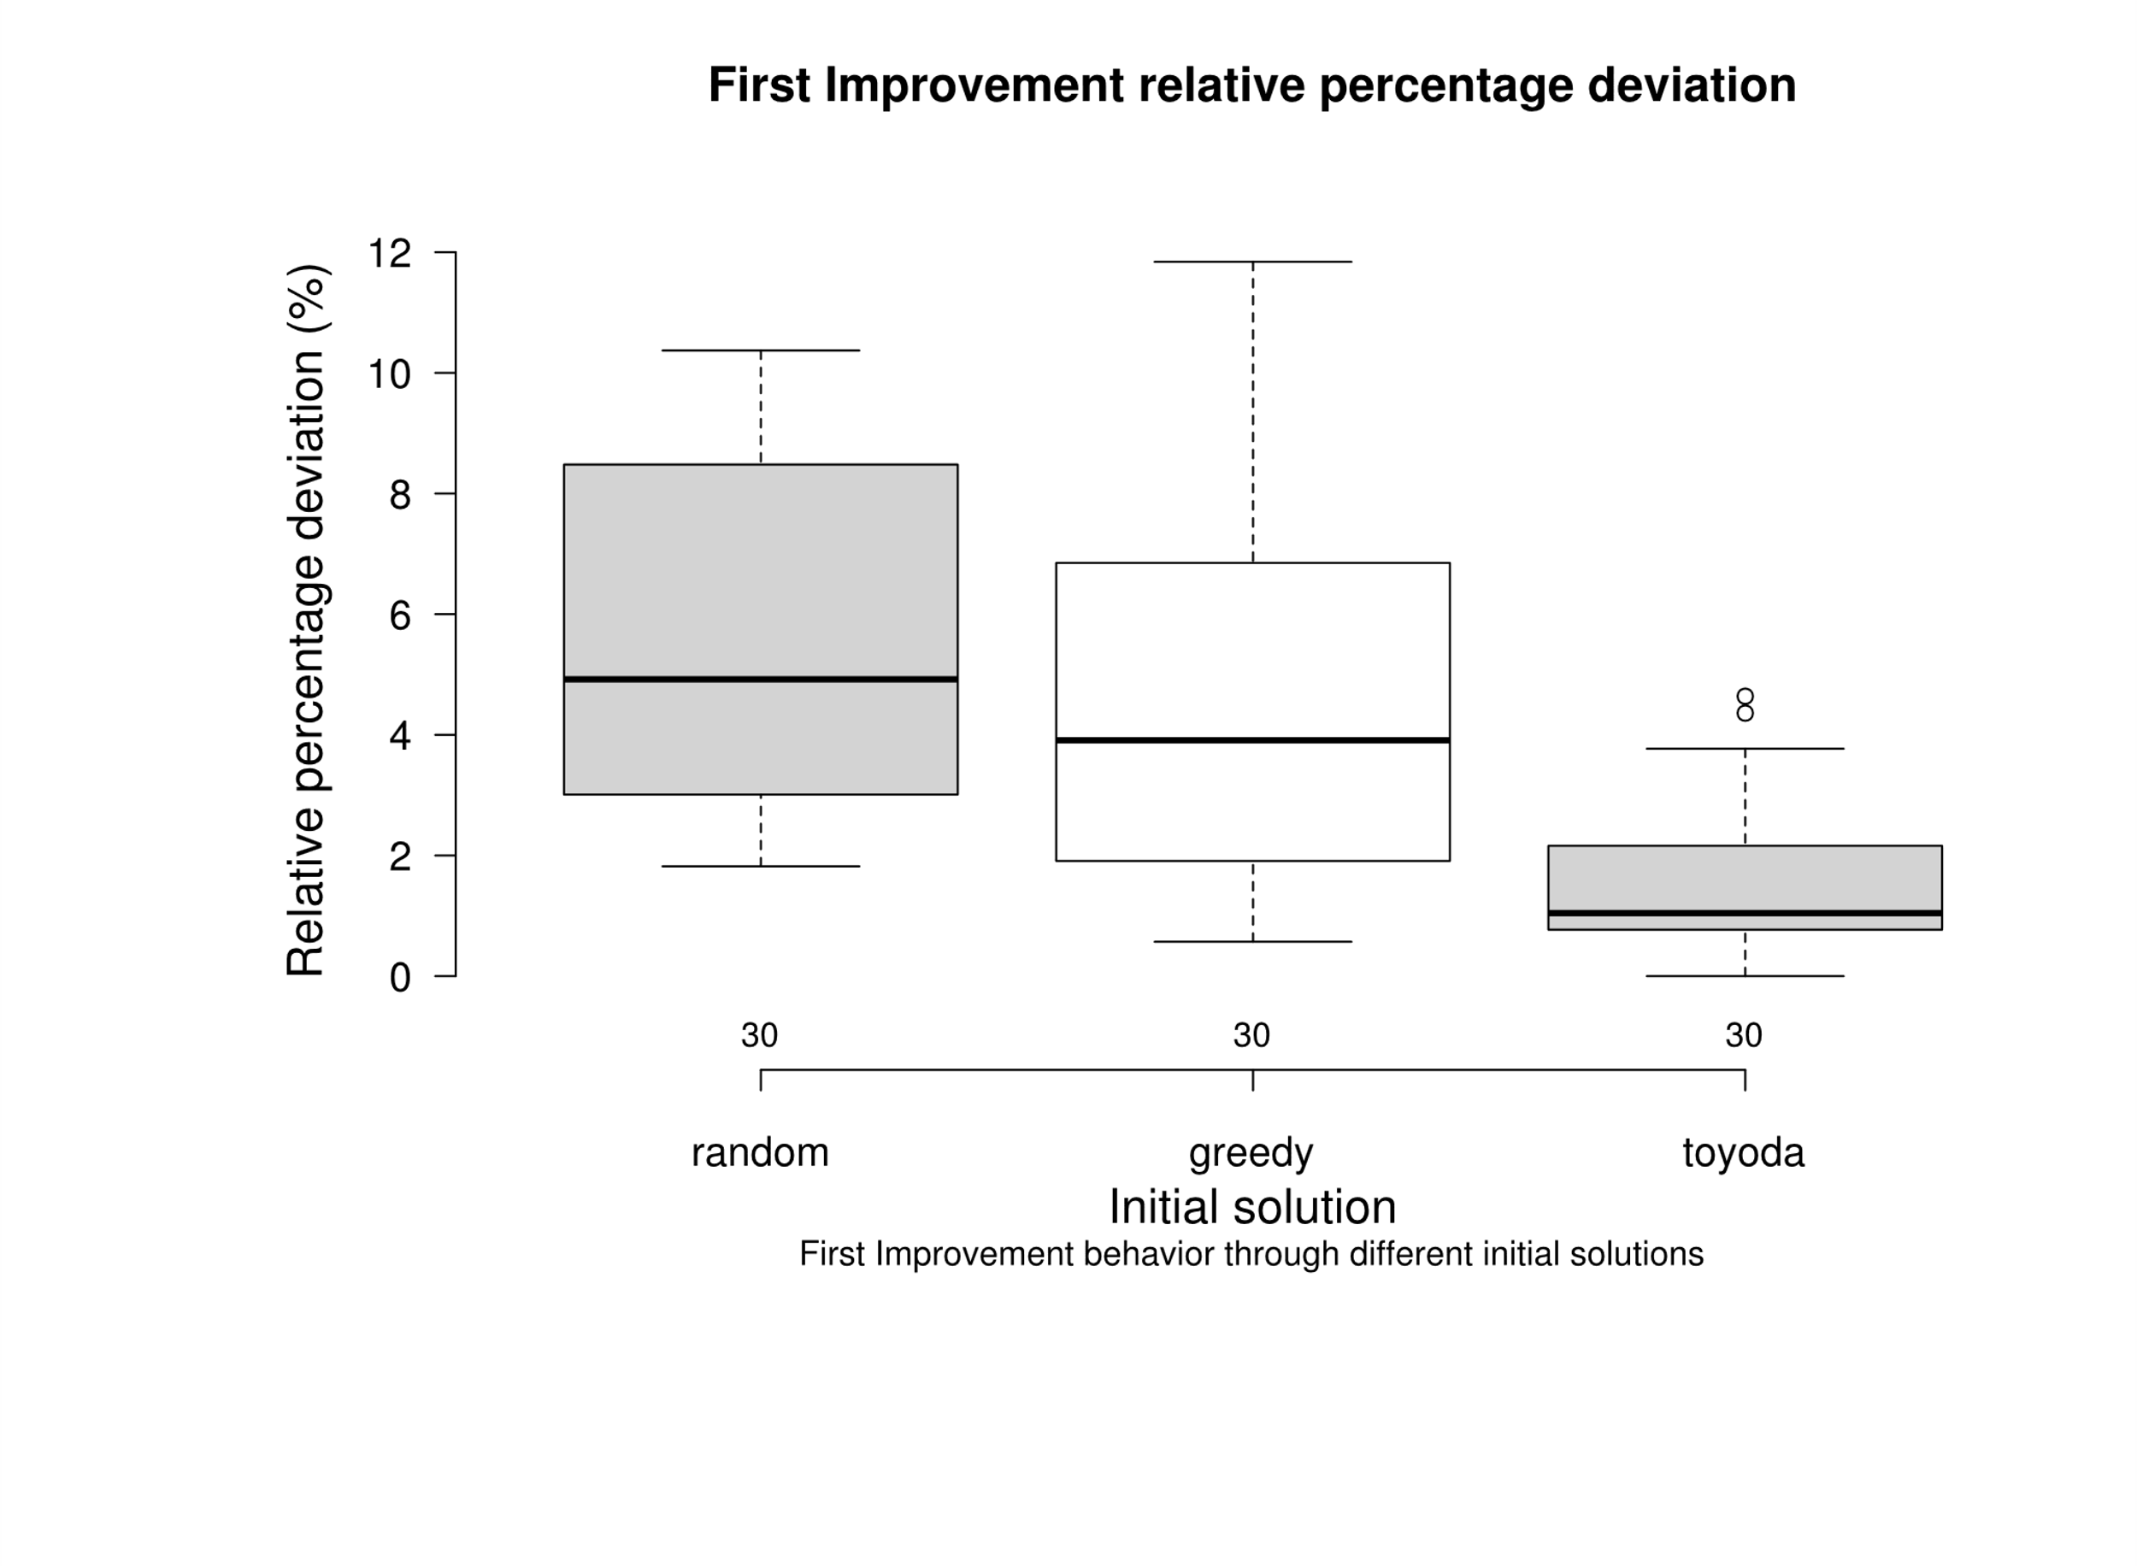
 |  |  |  |  |  |  |  |  |  |  |  |  |  | greedy | 1.86 | greedy | 0.99
 |  |  |  |  |  |  |  |  |  |  | greedy | random |  | greedy | 1.45 | greedy | 1.86
 |  |  |  |  |  |  |  |  |  | random | 4.20E-01 | - |  | greedy | 0.85 | greedy | 1.95
 |  |  |  |  |  |  |  |  |  | toyoda | 2.50E-05 | 5.50E-08 |  | greedy | 0.57 | greedy | 1.64
 |  |  |  |  |  |  |  |  |  |  |  |  |  | toyoda | 0.00 | toyoda | 3.88
 |  |  |  |  |  |  |  |  |  |  |  |  |  | toyoda | 2.93 | toyoda | 2.75
 |  |  |  |  |  |  |  |  |  |  |  |  |  | toyoda | 4.36 | toyoda | 1.78
 |  |  |  |  |  |  |  |  |  |  |  |  |  | toyoda | 4.64 | toyoda | 1.17
 |  |  |  |  |  |  |  |  |  | A Wilcoxon Signed-ranks test indicates that when applying First improvement Toyoda get a lower deviation compared to greedy and random. |  |  |  | toyoda | 3.77 | toyoda | 1.23
 |  |  |  |  |  |  |  |  |  | At the same time Random and Greedy don’t report a significative difference them. |  |  |  | toyoda | 2.11 | toyoda | 1.99
 |  |  |  |  |  |  |  |  |  | As the Box plot shows where the distributions of Random and Greedy |  |  |  | toyoda | 2.64 | toyoda | 1.82
 |  |  |  |  |  |  |  |  |  | overlaps , while is clearly lower. |  |  |  | toyoda | 2.16 | toyoda | 2.14
 |  |  |  |  |  |  |  |  |  |  |  |  |  | toyoda | 2.74 | toyoda | 1.26
 |  |  |  |  |  |  |  |  |  |  |  |  |  | toyoda | 2.88 | toyoda | 1.28
 |  |  |  |  |  |  |  |  |  |  |  |  |  | toyoda | 1.40 | toyoda | 2.06
 |  |  |  |  |  |  |  |  |  |  |  |  |  | toyoda | 1.03 | toyoda | 3.48
 |  |  |  |  |  |  |  |  |  |  |  |  |  | toyoda | 1.17 | toyoda | 3.12
 |  |  |  |  |  |  |  |  |  |  |  |  |  | toyoda | 1.43 | toyoda | 5.18
 |  |  |  |  |  |  |  |  |  |  |  |  |  | toyoda | 0.45 | toyoda | 2.60
 |  |  |  |  |  |  |  |  |  |  |  |  |  | toyoda | 1.84 | toyoda | 1.65
 |  |  |  |  |  |  |  |  |  |  |  |  |  | toyoda | 0.98 | toyoda | 3.78
 |  |  |  |  |  |  |  |  |  |  |  |  |  | toyoda | 1.06 | toyoda | 2.41
 |  |  |  |  |  |  |  |  |  |  |  |  |  | toyoda | 0.60 | toyoda | 2.11
 |  |  |  |  |  |  |  |  |  |  |  |  |  | toyoda | 0.84 | toyoda | 3.05
 |  |  |  |  |  |  |  |  |  |  |  |  |  | toyoda | 0.81 | toyoda | 1.01
 |  |  |  |  |  |  |  |  |  |  |  |  |  | toyoda | 0.77 | toyoda | 1.90
 |  |  |  |  |  |  |  |  |  |  |  |  |  | toyoda | 0.36 | toyoda | 2.13
 |  |  |  |  |  |  |  |  |  |  |  |  |  | toyoda | 0.81 | toyoda | 1.15
 |  |  |  |  |  |  |  |  |  |  |  |  |  | toyoda | 0.77 | toyoda | 1.87
 |  |  |  |  |  |  |  |  |  |  |  |  |  | toyoda | 0.79 | toyoda | 1.84
 |  |  |  |  |  |  |  |  |  |  |  |  |  | toyoda | 0.44 | toyoda | 2.58
 |  |  |  |  |  |  |  |  |  |  |  |  |  | toyoda | 0.38 | toyoda | 1.70
 |  |  |  |  |  |  |  |  |  |  |  |  |  | toyoda | 1.21 | toyoda | 1.95
 |  |  |  |  |  |  |  |  |  |  |  |  |  | toyoda | 0.21 | toyoda | 2.36

10x100-bi-vs-ch
Fraction of instances that improves from ch |  |  |  |  |  |  |  |  |  |  |  |  |  | Deviation |  | Time
 |  |  |  | Best Improvement |  |  |  |  |  |  |  |  |  | random | 8.64 | random | 7.41
 | Random | Greedy | Toyoda | Random | Greedy | Toyoda | Time |  |  |  | Percentage Deviation |  |  | random | 9.03 | random | 7.95
Instance | Δ avg | Δ | Δ | Δ avg | Δ | Δ | random | greedy | toyoda |  | random | greedy | toyoda | random | 8.46 | random | 7.14
OR10x100-0.25_1 | 24.70 | 14.13 | 4.80 | 8.64 | 8.17 | 1.87 | 7.41 | 2.43 | 3.71 |  | 8.64 | 8.17 | 1.87 | random | 8.18 | random | 6.73
OR10x100-0.25_2 | 28.52 | 23.90 | 6.12 | 9.03 | 8.85 | 0.54 | 7.95 | 2.31 | 3.75 |  | 9.03 | 8.85 | 0.54 | random | 9.55 | random | 7.32
OR10x100-0.25_3 | 27.92 | 21.88 | 7.62 | 8.46 | 12.94 | 1.55 | 7.14 | 1.63 | 4.52 |  | 8.46 | 12.94 | 1.55 | random | 8.18 | random | 6.52
OR10x100-0.25_4 | 24.58 | 9.66 | 8.96 | 8.18 | 6.45 | 2.56 | 6.73 | 1.18 | 5.68 |  | 8.18 | 6.45 | 2.56 | random | 8.03 | random | 7.43
OR10x100-0.25_5 | 27.30 | 11.45 | 8.28 | 9.55 | 8.55 | 2.65 | 7.32 | 1.15 | 3.70 |  | 9.55 | 8.55 | 2.65 | random | 8.91 | random | 6.52
OR10x100-0.25_6 | 23.94 | 14.87 | 3.41 | 8.18 | 7.92 | 1.74 | 6.52 | 1.72 | 4.69 |  | 8.18 | 7.92 | 1.74 | random | 9.06 | random | 7.46
OR10x100-0.25_7 | 26.45 | 14.65 | 6.39 | 8.03 | 3.31 | 2.35 | 7.43 | 4.17 | 2.25 |  | 8.03 | 3.31 | 2.35 | random | 9.09 | random | 7.72
OR10x100-0.25_8 | 27.40 | 12.71 | 6.07 | 8.91 | 4.17 | 3.19 | 6.52 | 3.01 | 2.23 |  | 8.91 | 4.17 | 3.19 | random | 6.02 | random | 12.10
OR10x100-0.25_9 | 27.02 | 14.08 | 5.85 | 9.06 | 6.12 | 1.72 | 7.46 | 2.37 | 6.88 |  | 9.06 | 6.12 | 1.72 | random | 4.96 | random | 13.27
OR10x100-0.25_10 | 26.16 | 19.58 | 2.92 | 9.09 | 12.52 | 1.20 | 7.72 | 2.22 | 3.96 |  | 9.09 | 12.52 | 1.20 | random | 6.09 | random | 10.90
OR10x100-0.50_1 | 18.26 | 7.77 | 2.74 | 6.02 | 4.23 | 1.19 | 12.10 | 3.40 | 4.13 |  | 6.02 | 4.23 | 1.19 | random | 3.96 | random | 14.94
OR10x100-0.50_2 | 16.93 | 6.38 | 2.77 | 4.96 | 2.24 | 0.78 | 13.27 | 3.39 | 4.75 |  | 4.96 | 2.24 | 0.78 | random | 4.47 | random | 12.97
OR10x100-0.50_3 | 17.79 | 9.65 | 1.80 | 6.09 | 5.17 | 1.00 | 10.90 | 3.34 | 2.75 |  | 6.09 | 5.17 | 1.00 | random | 4.18 | random | 12.34
OR10x100-0.50_4 | 18.46 | 8.90 | 4.21 | 3.96 | 6.32 | 0.40 | 14.94 | 2.54 | 6.77 |  | 3.96 | 6.32 | 0.40 | random | 4.70 | random | 13.08
OR10x100-0.50_5 | 18.14 | 9.43 | 2.40 | 4.47 | 1.70 | 0.45 | 12.97 | 6.80 | 4.14 |  | 4.47 | 1.70 | 0.45 | random | 4.96 | random | 12.80
OR10x100-0.50_6 | 17.75 | 10.27 | 2.70 | 4.18 | 5.84 | 1.41 | 12.34 | 3.34 | 4.11 |  | 4.18 | 5.84 | 1.41 | random | 5.96 | random | 11.82
OR10x100-0.50_7 | 18.29 | 6.77 | 1.51 | 4.70 | 3.03 | 1.02 | 13.08 | 3.35 | 4.08 |  | 4.70 | 3.03 | 1.02 | random | 5.62 | random | 11.13
OR10x100-0.50_8 | 17.90 | 4.82 | 3.35 | 4.96 | 2.55 | 0.67 | 12.80 | 2.51 | 5.54 |  | 4.96 | 2.55 | 0.67 | random | 2.60 | random | 8.29
OR10x100-0.50_9 | 20.17 | 9.28 | 1.47 | 5.96 | 3.87 | 0.80 | 11.82 | 4.17 | 2.76 |  | 5.96 | 3.87 | 0.80 | random | 2.50 | random | 8.70
OR10x100-0.50_10 | 16.84 | 8.54 | 2.85 | 5.62 | 2.58 | 1.03 | 11.13 | 9.20 | 4.13 |  | 5.62 | 2.58 | 1.03 | random | 2.41 | random | 7.24
OR10x100-0.75_1 | 10.63 | 4.73 | 1.87 | 2.60 | 1.39 | 0.33 | 8.29 | 2.06 | 3.72 |  | 2.60 | 1.39 | 0.33 | random | 2.44 | random | 7.76
OR10x100-0.75_2 | 10.77 | 5.37 | 2.44 | 2.50 | 2.44 | 0.60 | 8.70 | 2.84 | 2.95 |  | 2.50 | 2.44 | 0.60 | random | 2.27 | random | 9.49
OR10x100-0.75_3 | 10.51 | 4.40 | 2.00 | 2.41 | 1.63 | 0.37 | 7.24 | 4.81 | 4.74 |  | 2.41 | 1.63 | 0.37 | random | 2.76 | random | 7.73
OR10x100-0.75_4 | 9.29 | 3.65 | 4.41 | 2.44 | 1.25 | 0.34 | 7.76 | 2.08 | 4.07 |  | 2.44 | 1.25 | 0.34 | random | 2.53 | random | 7.53
OR10x100-0.75_5 | 11.70 | 3.38 | 0.98 | 2.27 | 1.31 | 0.41 | 9.49 | 1.37 | 3.08 |  | 2.27 | 1.31 | 0.41 | random | 3.08 | random | 7.58
OR10x100-0.75_6 | 10.06 | 4.57 | 1.41 | 2.76 | 2.37 | 0.62 | 7.73 | 3.53 | 3.76 |  | 2.76 | 2.37 | 0.62 | random | 2.13 | random | 9.26
OR10x100-0.75_7 | 10.37 | 4.63 | 1.61 | 2.53 | 1.22 | 0.50 | 7.53 | 2.81 | 1.91 |  | 2.53 | 1.22 | 0.50 | random | 2.36 | random | 9.32
OR10x100-0.75_8 | 9.74 | 6.01 | 1.46 | 3.08 | 1.67 | 0.35 | 7.58 | 3.52 | 3.95 |  | 3.08 | 1.67 | 0.35 | greedy | 8.17 | greedy | 2.43
OR10x100-0.75_9 | 10.80 | 4.53 | 2.01 | 2.13 | 1.02 | 0.43 | 9.26 | 3.46 | 5.43 |  | 2.13 | 1.02 | 0.43 | greedy | 8.85 | greedy | 2.31
OR10x100-0.75_10 | 11.01 | 3.17 | 2.28 | 2.36 | 0.39 | 0.38 | 9.32 | 2.67 | 1.89 |  | 2.36 | 0.39 | 0.38 | greedy | 12.94 | greedy | 1.63
 |  |  |  |  |  |  |  |  |  |  |  |  |  | greedy | 6.45 | greedy | 1.18
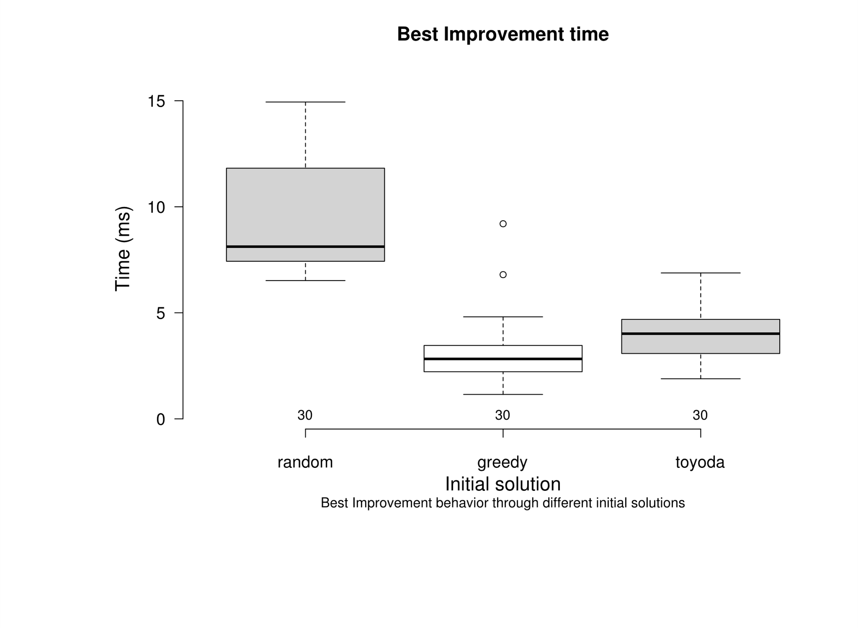
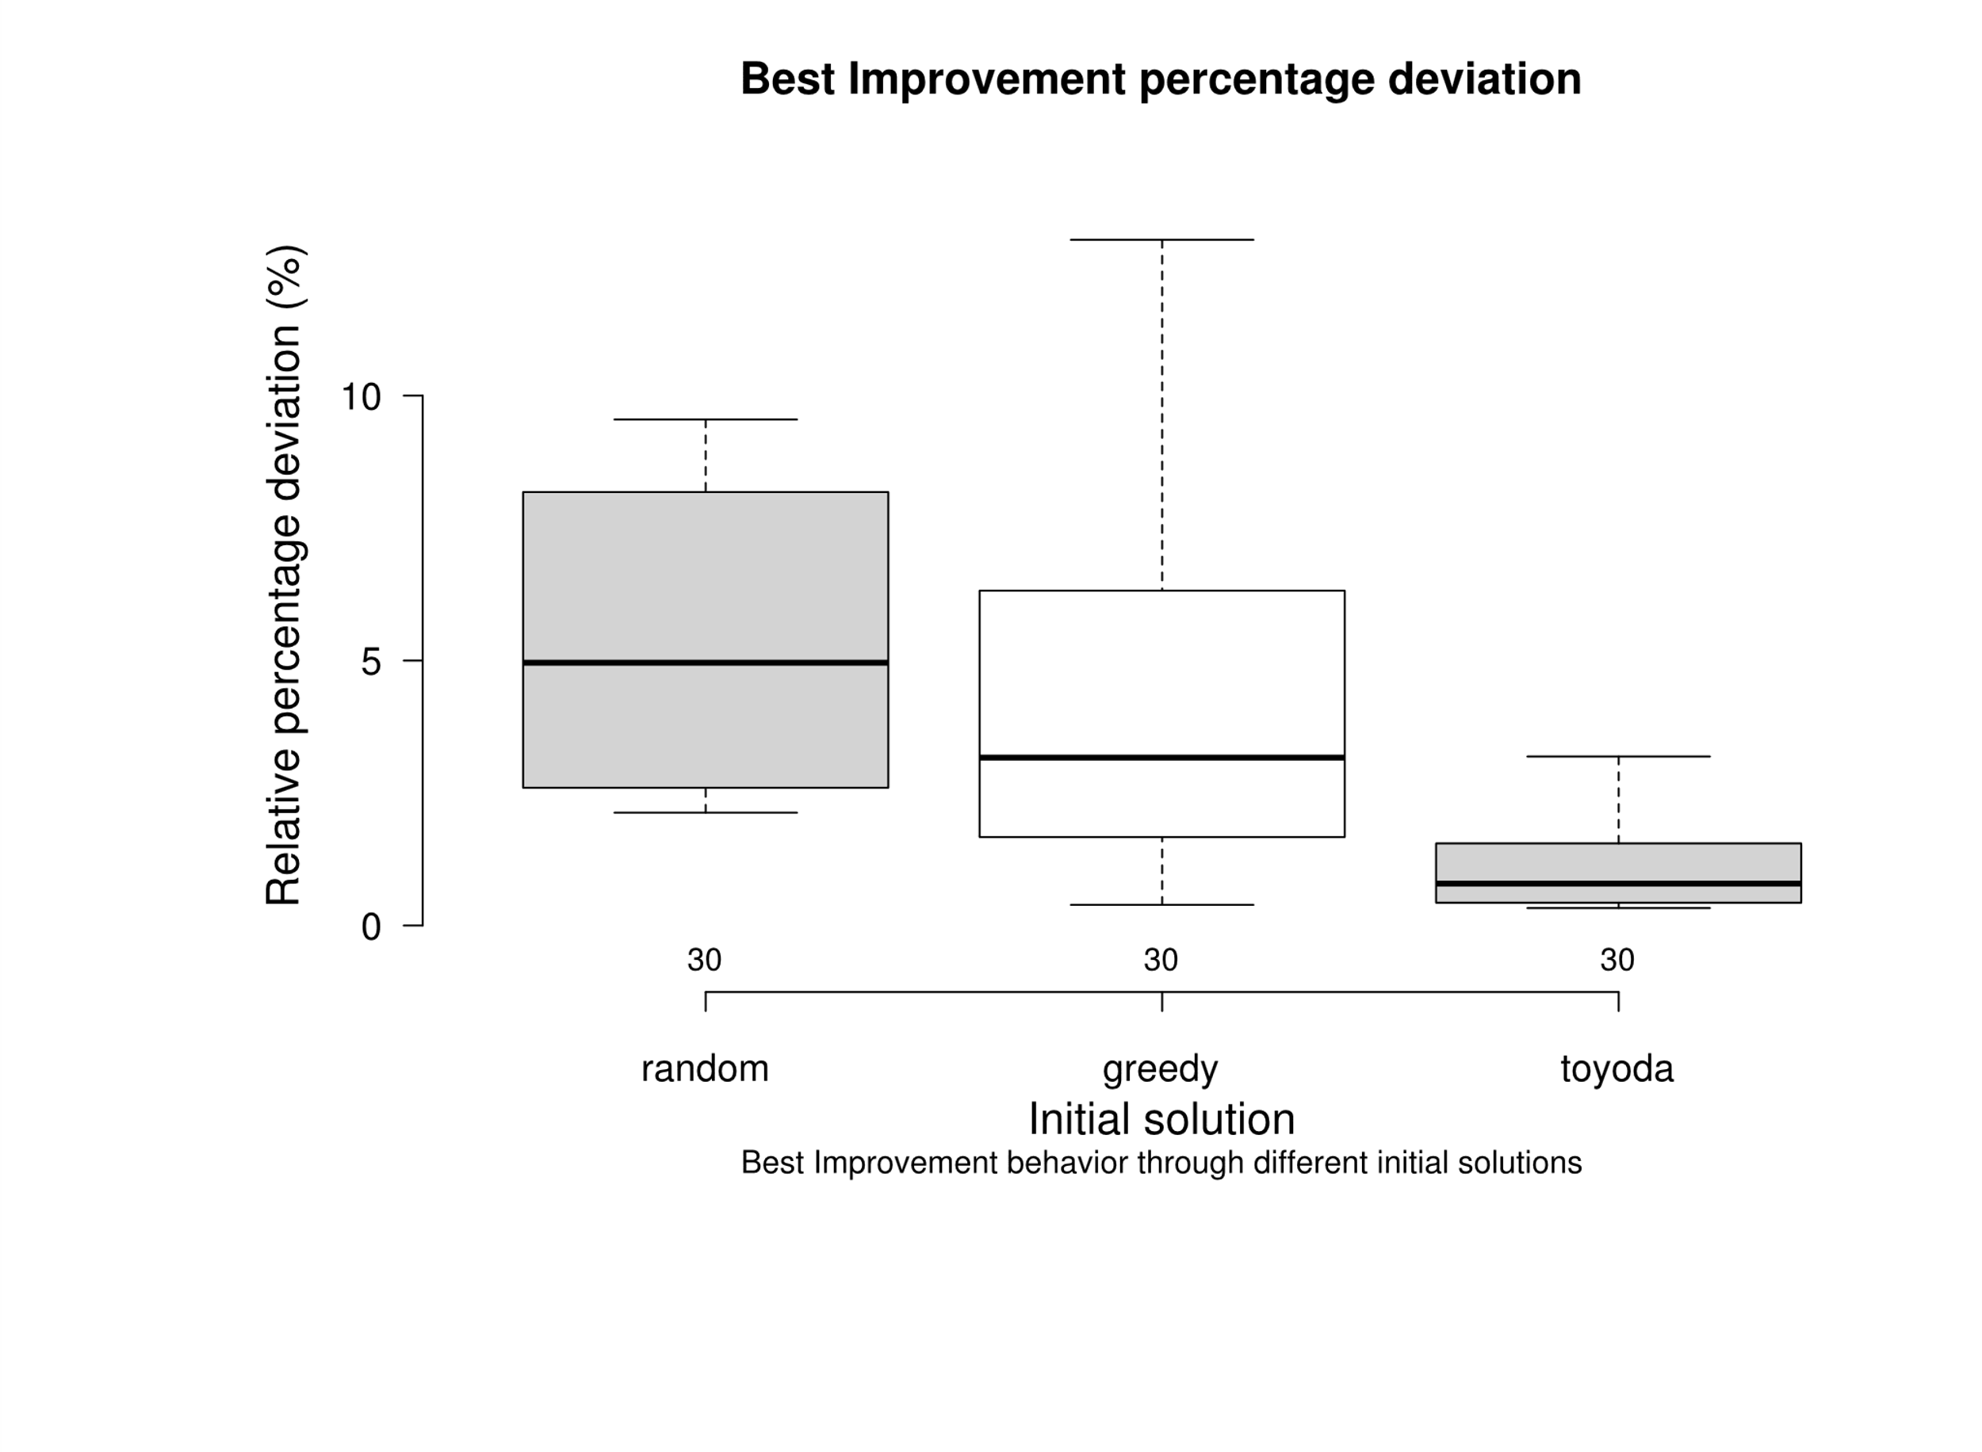
 |  |  |  |  |  |  |  |  |  |  |  |  |  | greedy | 8.55 | greedy | 1.15
 |  |  |  |  |  |  |  |  |  |  |  |  |  | greedy | 7.92 | greedy | 1.72
 |  |  |  |  |  |  |  |  |  |  |  |  |  | greedy | 3.31 | greedy | 4.17
 |  |  |  |  |  |  |  |  |  |  |  |  |  | greedy | 4.17 | greedy | 3.01
 |  |  |  |  |  |  |  |  |  |  |  |  |  | greedy | 6.12 | greedy | 2.37
 |  |  |  |  |  |  |  |  |  |  |  |  |  | greedy | 12.52 | greedy | 2.22
 |  |  |  |  |  |  |  |  |  |  |  |  |  | greedy | 4.23 | greedy | 3.40
 |  |  |  |  |  |  |  |  |  |  |  |  |  | greedy | 2.24 | greedy | 3.39
 |  |  |  |  |  |  |  |  |  |  |  |  |  | greedy | 5.17 | greedy | 3.34
 |  |  |  |  |  |  |  |  |  |  |  |  |  | greedy | 6.32 | greedy | 2.54
 |  |  |  |  |  |  |  |  |  |  |  |  |  | greedy | 1.70 | greedy | 6.80
 |  |  |  |  |  |  |  |  |  |  |  |  |  | greedy | 5.84 | greedy | 3.34
 |  |  |  |  |  |  |  |  |  |  |  |  |  | greedy | 3.03 | greedy | 3.35
 |  |  |  |  |  |  |  |  |  |  |  |  |  | greedy | 2.55 | greedy | 2.51
 |  |  |  |  |  |  |  |  |  |  |  |  |  | greedy | 3.87 | greedy | 4.17
 |  |  |  |  |  |  |  |  |  |  |  |  |  | greedy | 2.58 | greedy | 9.20
 |  |  |  |  |  |  |  |  |  |  |  |  |  | greedy | 1.39 | greedy | 2.06
 |  |  |  |  |  |  |  |  |  |  |  |  |  | greedy | 2.44 | greedy | 2.84
 |  |  |  |  |  |  |  |  |  |  |  |  |  | greedy | 1.63 | greedy | 4.81
 |  |  |  |  |  |  |  |  |  |  |  |  |  | greedy | 1.25 | greedy | 2.08
 |  |  |  |  |  |  |  |  |  |  |  |  |  | greedy | 1.31 | greedy | 1.37
 |  |  |  | greedy | random |  |  |  |  | greedy | random |  |  | greedy | 2.37 | greedy | 3.53
 |  |  | random | 6.50E-10 | - |  |  |  | random | 1.50E-01 | - |  |  | greedy | 1.22 | greedy | 2.81
 |  |  | toyoda | 5.60E-03 | 1.60E-10 |  |  |  | toyoda | 1.60E-06 | 1.30E-09 |  |  | greedy | 1.67 | greedy | 3.52
 |  |  |  |  |  |  |  |  |  |  |  |  |  | greedy | 1.02 | greedy | 3.46
 |  |  |  |  |  |  |  |  |  |  |  |  |  | greedy | 0.39 | greedy | 2.67
 |  |  |  |  |  |  |  |  |  |  |  |  |  | toyoda | 1.87 | toyoda | 3.71
 |  |  |  |  |  |  |  |  |  |  |  |  |  | toyoda | 0.54 | toyoda | 3.75
 |  |  |  |  |  |  |  |  |  |  |  |  |  | toyoda | 1.55 | toyoda | 4.52
 |  |  |  |  |  |  |  |  |  |  |  |  |  | toyoda | 2.56 | toyoda | 5.68
 |  |  |  |  |  |  |  |  |  |  |  |  |  | toyoda | 2.65 | toyoda | 3.70
 |  |  |  |  |  |  |  |  |  |  |  |  |  | toyoda | 1.74 | toyoda | 4.69
 |  |  |  |  |  |  |  |  |  |  |  |  |  | toyoda | 2.35 | toyoda | 2.25
 |  |  |  |  |  |  |  |  |  |  |  |  |  | toyoda | 3.19 | toyoda | 2.23
 |  |  |  |  |  |  |  |  |  |  |  |  |  | toyoda | 1.72 | toyoda | 6.88
 |  |  |  |  |  |  |  |  |  |  |  |  |  | toyoda | 1.20 | toyoda | 3.96
 |  |  |  |  |  |  |  |  |  |  |  |  |  | toyoda | 1.19 | toyoda | 4.13
 |  |  |  |  |  |  |  |  |  |  |  |  |  | toyoda | 0.78 | toyoda | 4.75
 |  |  |  |  |  |  |  |  |  |  |  |  |  | toyoda | 1.00 | toyoda | 2.75
 |  |  |  |  |  |  |  |  |  |  |  |  |  | toyoda | 0.40 | toyoda | 6.77
 |  |  |  |  |  |  |  |  |  |  |  |  |  | toyoda | 0.45 | toyoda | 4.14
 |  |  |  |  |  |  |  |  |  |  |  |  |  | toyoda | 1.41 | toyoda | 4.11
 |  |  |  |  |  |  |  |  |  |  |  |  |  | toyoda | 1.02 | toyoda | 4.08
 |  |  |  |  |  |  |  |  |  |  |  |  |  | toyoda | 0.67 | toyoda | 5.54
 |  |  |  |  |  |  |  |  |  |  |  |  |  | toyoda | 0.80 | toyoda | 2.76
 |  |  |  |  |  |  |  |  |  |  |  |  |  | toyoda | 1.03 | toyoda | 4.13
 |  |  |  |  |  |  |  |  |  |  |  |  |  | toyoda | 0.33 | toyoda | 3.72
 |  |  |  |  |  |  |  |  |  |  |  |  |  | toyoda | 0.60 | toyoda | 2.95
 |  |  |  |  |  |  |  |  |  |  |  |  |  | toyoda | 0.37 | toyoda | 4.74
 |  |  |  |  |  |  |  |  |  |  |  |  |  | toyoda | 0.34 | toyoda | 4.07
 |  |  |  |  |  |  |  |  |  |  |  |  |  | toyoda | 0.41 | toyoda | 3.08
 |  |  |  |  |  |  |  |  |  |  |  |  |  | toyoda | 0.62 | toyoda | 3.76
 |  |  |  |  |  |  |  |  |  |  |  |  |  | toyoda | 0.50 | toyoda | 1.91
 |  |  |  |  |  |  |  |  |  |  |  |  |  | toyoda | 0.35 | toyoda | 3.95
 |  |  |  |  |  |  |  |  |  |  |  |  |  | toyoda | 0.43 | toyoda | 5.43
 |  |  |  |  |  |  |  |  |  |  |  |  |  | toyoda | 0.38 | toyoda | 1.89

10x100-vnd-vs-fi
Fraction of instances that improves from fi |  |  |  |  |  |  |  |  |  |  |  |  |  | Deviation |  | Time
 | First Improvement |  |  | VND First Improvement |  |  |  |  |  |  |  |  |  | random | 4.21 | random | 111.72
 | Random | Greedy | Toyoda | Random | Greedy | Toyoda | Time |  |  |  | Percentage Deviation |  |  | random | 4.31 | random | 113.18
Instance | Δ avg | Δ | Δ | Δ avg | Δ | Δ | random | greedy | toyoda |  | random | greedy | toyoda | random | 5.39 | random | 105.61
OR10x100-0.25_1 | 9.00 | 8.10 | 0.00 | 4.21 | 1.52 | 0.00 | 111.72 | 279.73 | 275.91 |  | 4.21 | 1.52 | 0.00 | random | 4.41 | random | 101.15
OR10x100-0.25_2 | 7.69 | 6.28 | 2.93 | 4.31 | 6.10 | 1.48 | 113.18 | 74.27 | 250.80 |  | 4.31 | 6.10 | 1.48 | random | 5.19 | random | 111.10
OR10x100-0.25_3 | 9.82 | 9.19 | 4.36 | 5.39 | 3.38 | 0.62 | 105.61 | 47.64 | 227.47 |  | 5.39 | 3.38 | 0.62 | random | 4.48 | random | 97.55
OR10x100-0.25_4 | 9.14 | 7.35 | 4.64 | 4.41 | 3.16 | 0.65 | 101.15 | 78.02 | 197.17 |  | 4.41 | 3.16 | 0.65 | random | 5.39 | random | 115.01
OR10x100-0.25_5 | 10.37 | 7.90 | 3.77 | 5.19 | 2.18 | 2.12 | 111.10 | 69.07 | 244.50 |  | 5.19 | 2.18 | 2.12 | random | 4.80 | random | 103.05
OR10x100-0.25_6 | 8.48 | 6.90 | 2.11 | 4.48 | 2.99 | 1.37 | 97.55 | 127.07 | 167.85 |  | 4.48 | 2.99 | 1.37 | random | 4.23 | random | 107.88
OR10x100-0.25_7 | 9.04 | 6.85 | 2.64 | 5.39 | 1.66 | 1.15 | 115.01 | 175.44 | 280.80 |  | 5.39 | 1.66 | 1.15 | random | 5.33 | random | 98.88
OR10x100-0.25_8 | 9.65 | 6.41 | 2.16 | 4.80 | 1.94 | 0.72 | 103.05 | 58.30 | 375.80 |  | 4.80 | 1.94 | 0.72 | random | 1.98 | random | 4047.79
OR10x100-0.25_9 | 9.00 | 8.30 | 2.74 | 4.23 | 3.34 | 0.59 | 107.88 | 65.22 | 359.81 |  | 4.23 | 3.34 | 0.59 | random | 2.11 | random | 2571.14
OR10x100-0.25_10 | 8.05 | 11.84 | 2.88 | 5.33 | 3.17 | 1.04 | 98.88 | 67.76 | 312.70 |  | 5.33 | 3.17 | 1.04 | random | 2.47 | random | 3654.69
OR10x100-0.50_1 | 5.53 | 2.69 | 1.40 | 1.98 | 1.74 | 0.35 | 4047.79 | 1376.36 | 4632.48 |  | 1.98 | 1.74 | 0.35 | random | 2.25 | random | 3567.86
OR10x100-0.50_2 | 4.08 | 3.22 | 1.03 | 2.11 | 0.83 | 0.58 | 2571.14 | 2119.83 | 5167.70 |  | 2.11 | 0.83 | 0.58 | random | 2.37 | random | 4004.88
OR10x100-0.50_3 | 5.50 | 4.12 | 1.17 | 2.47 | 0.98 | 0.73 | 3654.69 | 4531.73 | 4957.47 |  | 2.47 | 0.98 | 0.73 | random | 2.21 | random | 3825.00
OR10x100-0.50_4 | 3.74 | 6.41 | 1.43 | 2.25 | 3.41 | 0.57 | 3567.86 | 1968.57 | 10300.80 |  | 2.25 | 3.41 | 0.57 | random | 2.53 | random | 3364.68
OR10x100-0.50_5 | 4.65 | 4.12 | 0.45 | 2.37 | 0.55 | 0.45 | 4004.88 | 8563.77 | 3193.61 |  | 2.37 | 0.55 | 0.45 | random | 2.20 | random | 3663.90
OR10x100-0.50_6 | 4.76 | 5.38 | 1.84 | 2.21 | 1.90 | 0.22 | 3825.00 | 3816.31 | 13756.11 |  | 2.21 | 1.90 | 0.22 | random | 2.53 | random | 3519.55
OR10x100-0.50_7 | 4.60 | 3.70 | 0.98 | 2.53 | 1.30 | 0.25 | 3364.68 | 3048.86 | 6392.79 |  | 2.53 | 1.30 | 0.25 | random | 2.56 | random | 3933.72
OR10x100-0.50_8 | 5.59 | 3.64 | 1.06 | 2.20 | 1.50 | 0.34 | 3663.90 | 1470.44 | 4591.58 |  | 2.20 | 1.50 | 0.34 | random | 0.78 | random | 123196.29
OR10x100-0.50_9 | 5.08 | 4.13 | 0.60 | 2.53 | 1.57 | 0.14 | 3519.55 | 3835.14 | 6132.29 |  | 2.53 | 1.57 | 0.14 | random | 0.79 | random | 102785.55
OR10x100-0.50_10 | 5.52 | 3.58 | 0.84 | 2.56 | 1.19 | 0.60 | 3933.72 | 2686.11 | 6581.31 |  | 2.56 | 1.19 | 0.60 | random | 0.88 | random | 95849.22
OR10x100-0.75_1 | 1.96 | 1.63 | 0.81 | 0.78 | 0.60 | 0.33 | 123196.29 | 47650.39 | 280364.20 |  | 0.78 | 0.60 | 0.33 | random | 1.31 | random | 95573.72
OR10x100-0.75_2 | 2.39 | 1.91 | 0.77 | 0.79 | 0.54 | 0.55 | 102785.55 | 47042.04 | 86363.72 |  | 0.79 | 0.54 | 0.55 | random | 0.94 | random | 71817.60
OR10x100-0.75_3 | 3.01 | 0.90 | 0.36 | 0.88 | 0.50 | 0.27 | 95849.22 | 208464.15 | 148431.35 |  | 0.88 | 0.50 | 0.27 | random | 0.86 | random | 96969.06
OR10x100-0.75_4 | 2.51 | 1.33 | 0.81 | 1.31 | 0.25 | 0.12 | 95573.72 | 42576.53 | 176541.43 |  | 1.31 | 0.25 | 0.12 | random | 0.99 | random | 83084.13
OR10x100-0.75_5 | 2.66 | 2.07 | 0.77 | 0.94 | 0.33 | 0.22 | 71817.60 | 42470.62 | 120964.13 |  | 0.94 | 0.33 | 0.22 | random | 0.87 | random | 104980.26
OR10x100-0.75_6 | 2.70 | 2.38 | 0.79 | 0.86 | 0.43 | 0.26 | 96969.06 | 47250.25 | 76045.54 |  | 0.86 | 0.43 | 0.26 | random | 0.83 | random | 105553.23
OR10x100-0.75_7 | 3.21 | 1.86 | 0.44 | 0.99 | 1.09 | 0.38 | 83084.13 | 36179.49 | 140459.36 |  | 0.99 | 1.09 | 0.38 | random | 0.84 | random | 92466.44
OR10x100-0.75_8 | 3.16 | 1.45 | 0.38 | 0.87 | 0.26 | 0.12 | 104980.26 | 43329.47 | 91304.34 |  | 0.87 | 0.26 | 0.12 | greedy | 1.52 | greedy | 279.73
OR10x100-0.75_9 | 1.85 | 0.85 | 1.21 | 0.83 | 0.47 | 0.00 | 105553.23 | 53143.05 | 225281.35 |  | 0.83 | 0.47 | 0.00 | greedy | 6.10 | greedy | 74.27
OR10x100-0.75_10 | 1.82 | 0.57 | 0.21 | 0.84 | 0.39 | 0.08 | 92466.44 | 51877.70 | 101502.36 |  | 0.84 | 0.39 | 0.08 | greedy | 3.38 | greedy | 47.64
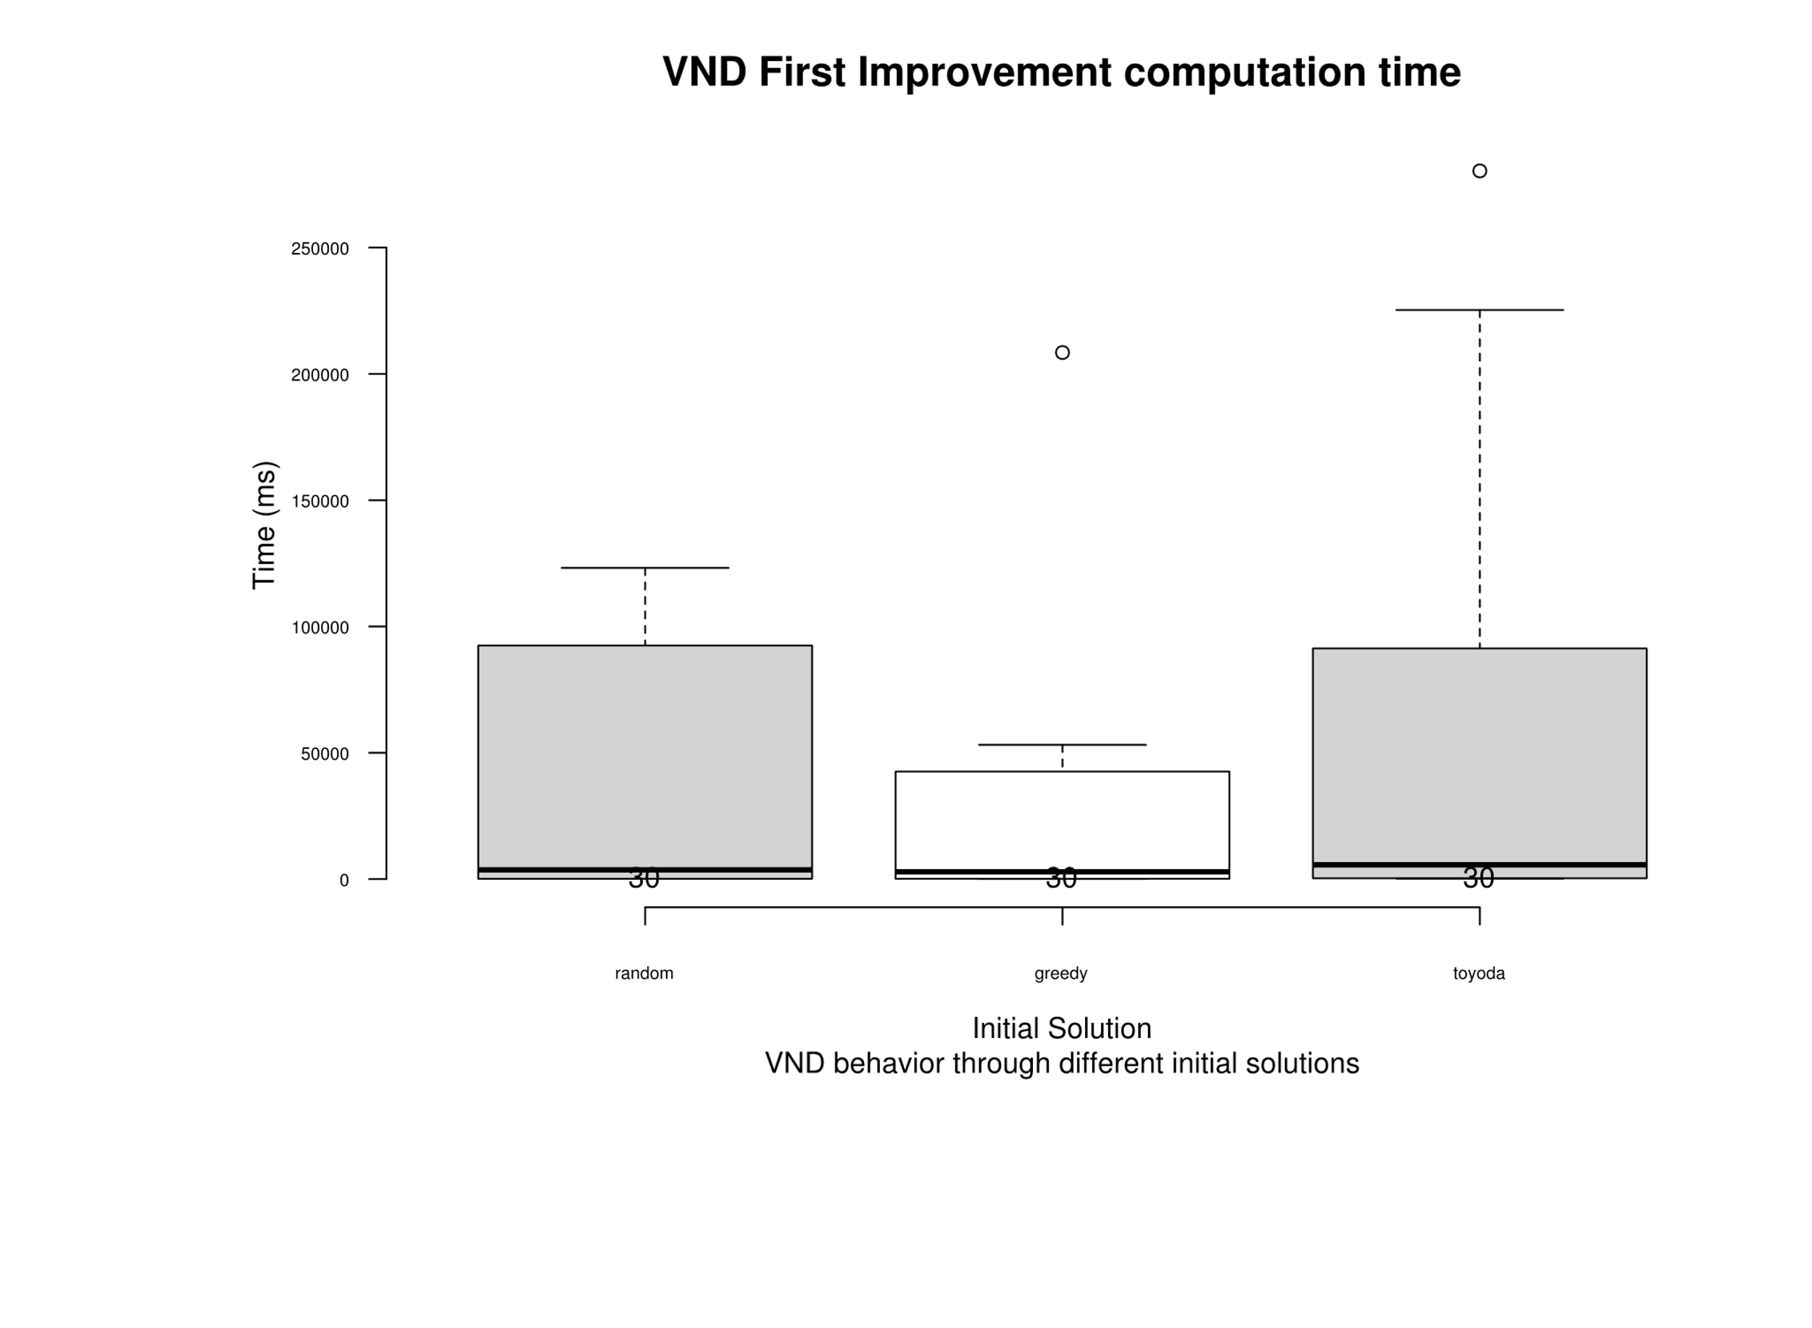
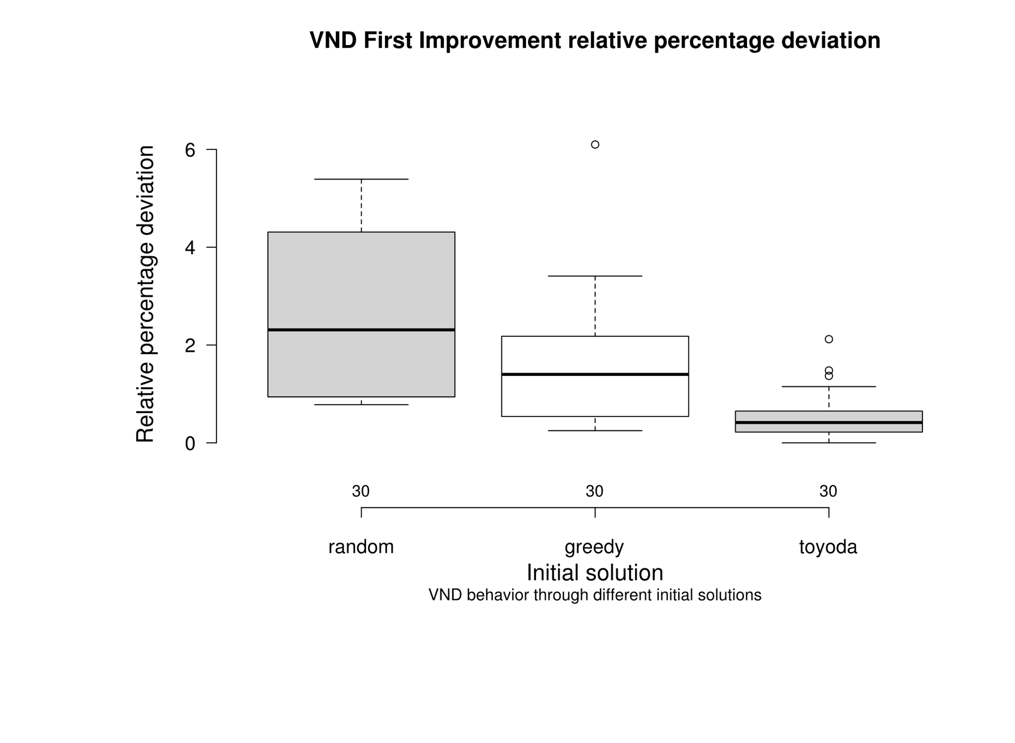
 |  |  |  |  |  |  |  |  |  |  |  |  |  | greedy | 3.16 | greedy | 78.02
 |  |  |  |  |  |  |  |  |  |  |  |  |  | greedy | 2.18 | greedy | 69.07
 |  |  |  |  |  |  |  |  |  |  |  |  |  | greedy | 2.99 | greedy | 127.07
 |  |  |  |  |  |  |  |  |  |  |  |  |  | greedy | 1.66 | greedy | 175.44
 |  |  |  |  |  |  |  |  |  |  |  |  |  | greedy | 1.94 | greedy | 58.30
 |  |  |  |  |  |  |  |  |  |  |  |  |  | greedy | 3.34 | greedy | 65.22
 |  |  |  |  |  |  |  |  |  |  |  |  |  | greedy | 3.17 | greedy | 67.76
 |  |  |  |  |  |  |  |  |  |  |  |  |  | greedy | 1.74 | greedy | 1376.36
 |  |  |  |  |  |  |  |  |  |  |  |  |  | greedy | 0.83 | greedy | 2119.83
 |  |  |  |  |  |  |  |  |  |  |  |  |  | greedy | 0.98 | greedy | 4531.73
 |  |  |  |  |  |  |  |  |  |  |  |  |  | greedy | 3.41 | greedy | 1968.57
 |  |  |  |  |  |  |  |  |  |  |  |  |  | greedy | 0.55 | greedy | 8563.77
 |  |  |  |  |  |  |  |  |  |  |  |  |  | greedy | 1.90 | greedy | 3816.31
 |  |  |  |  |  |  |  |  |  |  |  |  |  | greedy | 1.30 | greedy | 3048.86
 |  |  |  |  |  |  |  |  |  |  |  |  |  | greedy | 1.50 | greedy | 1470.44
 |  |  |  |  |  |  |  |  |  |  |  |  |  | greedy | 1.57 | greedy | 3835.14
 |  |  |  |  |  |  |  |  |  |  |  |  |  | greedy | 1.19 | greedy | 2686.11
 |  |  |  |  |  |  |  |  |  |  |  |  |  | greedy | 0.60 | greedy | 47650.39
 |  |  |  |  |  |  |  |  |  |  |  |  |  | greedy | 0.54 | greedy | 47042.04
 |  |  |  |  |  |  |  |  |  |  |  |  |  | greedy | 0.50 | greedy | 208464.15
 |  |  |  |  |  |  |  |  |  |  |  |  |  | greedy | 0.25 | greedy | 42576.53
 |  |  |  |  |  |  |  |  |  |  |  |  |  | greedy | 0.33 | greedy | 42470.62
 |  | greedy | random |  |  |  |  |  | greedy | random |  |  |  | greedy | 0.43 | greedy | 47250.25
 | random | 8.20E-01 | - |  |  |  |  | random | 2.33E-02 | - |  |  |  | greedy | 1.09 | greedy | 36179.49
 | toyoda | 2.00E-01 | 3.10E-01 |  |  |  |  | toyoda | 2.40E-04 | 1.00E-08 |  |  |  | greedy | 0.26 | greedy | 43329.47
 |  |  |  |  |  |  |  |  |  |  |  |  |  | greedy | 0.47 | greedy | 53143.05
 |  |  |  |  |  |  |  |  |  |  |  |  |  | greedy | 0.39 | greedy | 51877.70
 |  |  |  |  |  |  |  |  |  |  |  |  |  | toyoda | 0.00 | toyoda | 275.91
 |  |  |  |  |  |  |  |  |  |  |  |  |  | toyoda | 1.48 | toyoda | 250.80
 |  |  |  |  |  |  |  |  |  |  |  |  |  | toyoda | 0.62 | toyoda | 227.47
 |  |  |  |  |  |  |  |  |  |  |  |  |  | toyoda | 0.65 | toyoda | 197.17
 |  |  |  |  |  |  |  |  |  |  |  |  |  | toyoda | 2.12 | toyoda | 244.50
 |  |  |  |  |  |  |  |  |  |  |  |  |  | toyoda | 1.37 | toyoda | 167.85
 |  |  |  |  |  |  |  |  |  |  |  |  |  | toyoda | 1.15 | toyoda | 280.80
 |  |  |  |  |  |  |  |  |  |  |  |  |  | toyoda | 0.72 | toyoda | 375.80
 |  |  |  |  |  |  |  |  |  |  |  |  |  | toyoda | 0.59 | toyoda | 359.81
 |  |  |  |  |  |  |  |  |  |  |  |  |  | toyoda | 1.04 | toyoda | 312.70
 |  |  |  |  |  |  |  |  |  |  |  |  |  | toyoda | 0.35 | toyoda | 4632.48
 |  |  |  |  |  |  |  |  |  |  |  |  |  | toyoda | 0.58 | toyoda | 5167.70
 |  |  |  |  |  |  |  |  |  |  |  |  |  | toyoda | 0.73 | toyoda | 4957.47
 |  |  |  |  |  |  |  |  |  |  |  |  |  | toyoda | 0.57 | toyoda | 10300.80
 |  |  |  |  |  |  |  |  |  |  |  |  |  | toyoda | 0.45 | toyoda | 3193.61
 |  |  |  |  |  |  |  |  |  |  |  |  |  | toyoda | 0.22 | toyoda | 13756.11
 |  |  |  |  |  |  |  |  |  |  |  |  |  | toyoda | 0.25 | toyoda | 6392.79
 |  |  |  |  |  |  |  |  |  |  |  |  |  | toyoda | 0.34 | toyoda | 4591.58
 |  |  |  |  |  |  |  |  |  |  |  |  |  | toyoda | 0.14 | toyoda | 6132.29
 |  |  |  |  |  |  |  |  |  |  |  |  |  | toyoda | 0.60 | toyoda | 6581.31
 |  |  |  |  |  |  |  |  |  |  |  |  |  | toyoda | 0.33 | toyoda | 280364.20
 |  |  |  |  |  |  |  |  |  |  |  |  |  | toyoda | 0.55 | toyoda | 86363.72
 |  |  |  |  |  |  |  |  |  |  |  |  |  | toyoda | 0.27 | toyoda | 148431.35
 |  |  |  |  |  |  |  |  |  |  |  |  |  | toyoda | 0.12 | toyoda | 176541.43
 |  |  |  |  |  |  |  |  |  |  |  |  |  | toyoda | 0.22 | toyoda | 120964.13
 |  |  |  |  |  |  |  |  |  |  |  |  |  | toyoda | 0.26 | toyoda | 76045.54
 |  |  |  |  |  |  |  |  |  |  |  |  |  | toyoda | 0.38 | toyoda | 140459.36
 |  |  |  |  |  |  |  |  |  |  |  |  |  | toyoda | 0.12 | toyoda | 91304.34
 |  |  |  |  |  |  |  |  |  |  |  |  |  | toyoda | 0.00 | toyoda | 225281.35
 |  |  |  |  |  |  |  |  |  |  |  |  |  | toyoda | 0.08 | toyoda | 101502.36

10x250-fi-vs-ch
Fraction of instances that improves from ch |  |  |  |  |  |  |  |  |  |  |  |  |  | Deviation |  | Time
 |  |  |  | First Improvement |  |  |  |  |  |  |  |  |  | random | 6.12 | random | 33.65
 | Random | Greedy | Toyoda | Random | Greedy | Toyoda | Time |  |  |  | Percentage Deviation |  |  | random | 7.42 | random | 29.29
Instance | Δ avg | Δ | Δ | Δ avg | Δ | Δ | random | greedy | toyoda |  | random | greedy | toyoda | random | 7.85 | random | 32.98
OR10x250-0.25_1 | 24.72 | 14.25 | 3.56 | 6.12 | 9.07 | 2.44 | 33.65 | 11.73 | 20.35 |  | 6.12 | 9.07 | 2.44 | random | 6.26 | random | 34.49
OR10x250-0.25_2 | 25.77 | 10.96 | 2.76 | 7.42 | 8.30 | 0.79 | 29.29 | 14.62 | 13.22 |  | 7.42 | 8.30 | 0.79 | random | 6.18 | random | 32.54
OR10x250-0.25_3 | 26.37 | 17.06 | 4.24 | 7.85 | 8.47 | 1.04 | 32.98 | 8.53 | 21.40 |  | 7.85 | 8.47 | 1.04 | random | 7.37 | random | 32.30
OR10x250-0.25_4 | 25.54 | 11.77 | 2.24 | 6.26 | 8.28 | 0.96 | 34.49 | 7.20 | 21.24 |  | 6.26 | 8.28 | 0.96 | random | 7.47 | random | 30.72
OR10x250-0.25_5 | 25.58 | 13.41 | 6.32 | 6.18 | 8.84 | 2.04 | 32.54 | 6.48 | 16.92 |  | 6.18 | 8.84 | 2.04 | random | 5.26 | random | 33.78
OR10x250-0.25_6 | 24.96 | 11.52 | 5.76 | 7.37 | 7.77 | 2.65 | 32.30 | 10.97 | 28.17 |  | 7.37 | 7.77 | 2.65 | random | 7.56 | random | 34.73
OR10x250-0.25_7 | 24.48 | 12.57 | 3.69 | 7.47 | 5.59 | 1.40 | 30.72 | 15.19 | 16.66 |  | 7.47 | 5.59 | 1.40 | random | 7.11 | random | 30.92
OR10x250-0.25_8 | 26.48 | 17.26 | 4.21 | 5.26 | 7.80 | 1.38 | 33.78 | 11.51 | 32.27 |  | 5.26 | 7.80 | 1.38 | random | 3.74 | random | 36.73
OR10x250-0.25_9 | 27.39 | 11.82 | 3.96 | 7.56 | 7.80 | 0.84 | 34.73 | 5.51 | 15.76 |  | 7.56 | 7.80 | 0.84 | random | 4.23 | random | 39.61
OR10x250-0.25_10 | 25.44 | 14.78 | 2.39 | 7.11 | 9.13 | 0.70 | 30.92 | 15.01 | 12.43 |  | 7.11 | 9.13 | 0.70 | random | 4.11 | random | 40.35
OR10x250-0.50_1 | 16.38 | 6.84 | 3.06 | 3.74 | 3.08 | 1.59 | 36.73 | 9.38 | 19.37 |  | 3.74 | 3.08 | 1.59 | random | 3.27 | random | 39.34
OR10x250-0.50_2 | 17.13 | 5.54 | 3.06 | 4.23 | 2.53 | 1.59 | 39.61 | 16.97 | 12.58 |  | 4.23 | 2.53 | 1.59 | random | 4.36 | random | 37.31
OR10x250-0.50_3 | 17.56 | 7.09 | 1.83 | 4.11 | 3.43 | 0.49 | 40.35 | 13.52 | 13.00 |  | 4.11 | 3.43 | 0.49 | random | 4.07 | random | 38.49
OR10x250-0.50_4 | 16.87 | 9.79 | 4.88 | 3.27 | 3.16 | 0.70 | 39.34 | 26.77 | 21.05 |  | 3.27 | 3.16 | 0.70 | random | 4.29 | random | 36.35
OR10x250-0.50_5 | 16.32 | 6.22 | 2.30 | 4.36 | 3.44 | 0.50 | 37.31 | 20.33 | 39.46 |  | 4.36 | 3.44 | 0.50 | random | 4.39 | random | 37.67
OR10x250-0.50_6 | 17.68 | 8.80 | 3.51 | 4.07 | 4.51 | 1.06 | 38.49 | 6.85 | 38.58 |  | 4.07 | 4.51 | 1.06 | random | 4.64 | random | 37.86
OR10x250-0.50_7 | 18.32 | 6.98 | 2.16 | 4.29 | 4.39 | 0.81 | 36.35 | 7.99 | 35.29 |  | 4.29 | 4.39 | 0.81 | random | 3.82 | random | 39.92
OR10x250-0.50_8 | 17.53 | 6.76 | 2.68 | 4.39 | 4.29 | 0.75 | 37.67 | 7.53 | 33.70 |  | 4.39 | 4.29 | 0.75 | random | 2.51 | random | 21.38
OR10x250-0.50_9 | 17.61 | 7.09 | 3.38 | 4.64 | 2.30 | 0.81 | 37.86 | 16.83 | 43.16 |  | 4.64 | 2.30 | 0.81 | random | 2.25 | random | 22.77
OR10x250-0.50_10 | 17.66 | 5.99 | 2.45 | 3.82 | 2.91 | 0.81 | 39.92 | 8.97 | 25.82 |  | 3.82 | 2.91 | 0.81 | random | 1.99 | random | 23.02
OR10x250-0.75_1 | 9.43 | 3.48 | 0.99 | 2.51 | 0.80 | 0.43 | 21.38 | 25.59 | 10.27 |  | 2.51 | 0.80 | 0.43 | random | 2.14 | random | 21.94
OR10x250-0.75_2 | 10.01 | 3.68 | 1.58 | 2.25 | 1.26 | 0.55 | 22.77 | 10.51 | 10.02 |  | 2.25 | 1.26 | 0.55 | random | 2.04 | random | 23.55
OR10x250-0.75_3 | 9.70 | 3.53 | 1.48 | 1.99 | 0.70 | 0.48 | 23.02 | 22.32 | 11.40 |  | 1.99 | 0.70 | 0.48 | random | 2.19 | random | 21.14
OR10x250-0.75_4 | 9.90 | 4.12 | 1.09 | 2.14 | 1.81 | 0.42 | 21.94 | 15.68 | 10.90 |  | 2.14 | 1.81 | 0.42 | random | 2.21 | random | 22.66
OR10x250-0.75_5 | 9.80 | 3.41 | 1.44 | 2.04 | 1.35 | 0.51 | 23.55 | 10.05 | 11.02 |  | 2.04 | 1.35 | 0.51 | random | 2.20 | random | 21.89
OR10x250-0.75_6 | 9.71 | 2.96 | 0.70 | 2.19 | 1.20 | 0.24 | 21.14 | 8.98 | 16.05 |  | 2.19 | 1.20 | 0.24 | random | 2.72 | random | 20.95
OR10x250-0.75_7 | 9.44 | 3.08 | 1.12 | 2.21 | 1.23 | 0.53 | 22.66 | 10.25 | 14.97 |  | 2.21 | 1.23 | 0.53 | random | 1.86 | random | 21.28
OR10x250-0.75_8 | 9.63 | 3.15 | 1.44 | 2.20 | 1.04 | 0.62 | 21.89 | 12.17 | 13.94 |  | 2.20 | 1.04 | 0.62 | greedy | 9.07 | greedy | 11.73
OR10x250-0.75_9 | 9.89 | 2.82 | 0.84 | 2.72 | 0.89 | 0.41 | 20.95 | 16.71 | 14.21 |  | 2.72 | 0.89 | 0.41 | greedy | 8.30 | greedy | 14.62
OR10x250-0.75_10 | 9.86 | 2.28 | 1.11 | 1.86 | 1.97 | 0.38 | 21.28 | 5.16 | 17.56 |  | 1.86 | 1.97 | 0.38 | greedy | 8.47 | greedy | 8.53
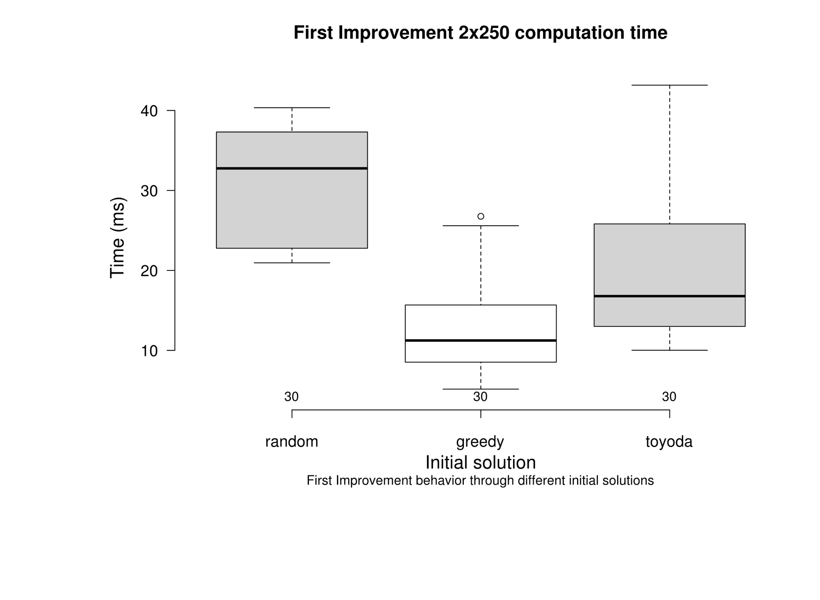
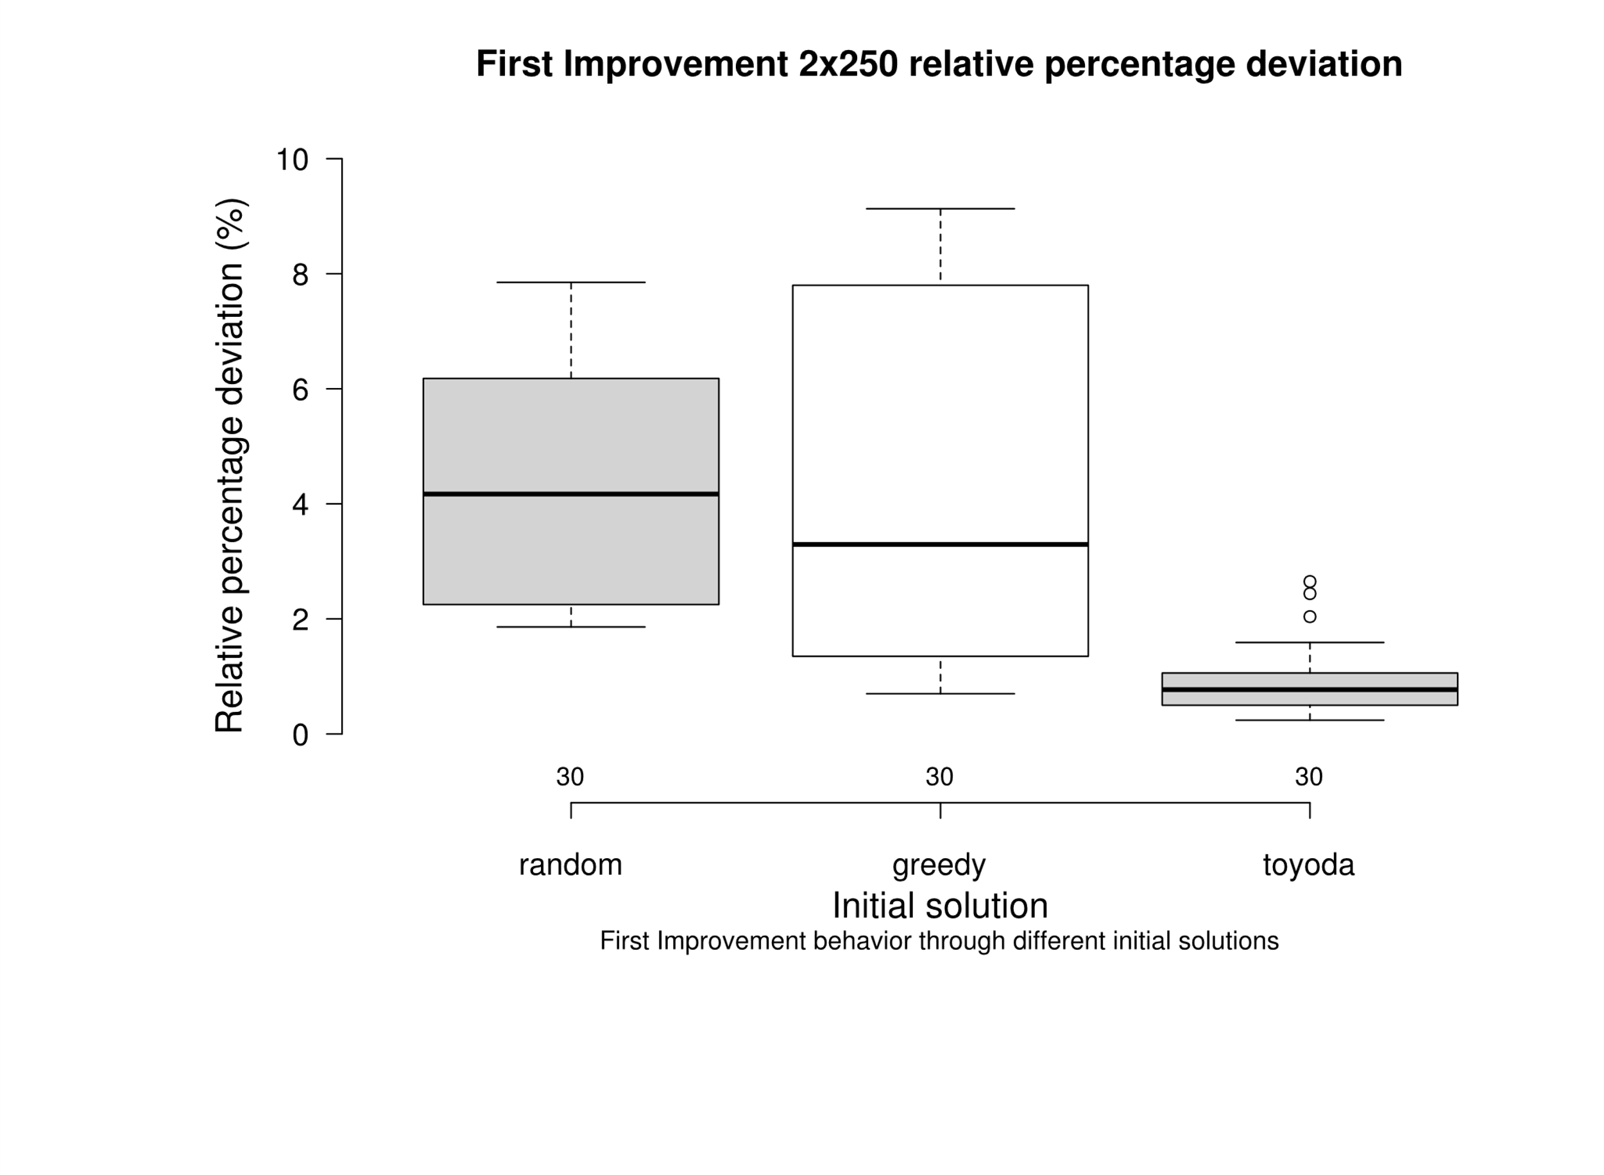
 |  |  |  |  |  |  |  |  |  |  |  |  |  | greedy | 8.28 | greedy | 7.20
 |  |  |  |  |  |  |  |  |  |  |  |  |  | greedy | 8.84 | greedy | 6.48
 |  |  |  |  |  |  |  |  |  |  |  |  |  | greedy | 7.77 | greedy | 10.97
 |  |  |  |  |  |  |  |  |  |  |  |  |  | greedy | 5.59 | greedy | 15.19
 |  |  |  |  |  |  |  |  |  |  |  |  |  | greedy | 7.80 | greedy | 11.51
 |  |  |  |  |  |  |  |  |  |  |  |  |  | greedy | 7.80 | greedy | 5.51
 |  |  |  |  |  |  |  |  |  |  |  |  |  | greedy | 9.13 | greedy | 15.01
 |  |  |  |  |  |  |  |  |  |  |  |  |  | greedy | 3.08 | greedy | 9.38
 |  |  |  |  |  |  |  |  |  |  |  |  |  | greedy | 2.53 | greedy | 16.97
 |  |  |  |  |  |  |  |  |  |  |  |  |  | greedy | 3.43 | greedy | 13.52
 |  |  |  |  |  |  |  |  |  |  |  |  |  | greedy | 3.16 | greedy | 26.77
 |  |  |  |  |  |  |  |  |  |  |  |  |  | greedy | 3.44 | greedy | 20.33
 |  |  |  |  |  |  |  |  |  |  |  |  |  | greedy | 4.51 | greedy | 6.85
 |  |  |  |  |  |  |  |  |  |  |  |  |  | greedy | 4.39 | greedy | 7.99
 |  |  |  |  |  |  |  |  |  |  |  |  |  | greedy | 4.29 | greedy | 7.53
 |  |  |  |  |  |  |  |  |  |  |  |  |  | greedy | 2.30 | greedy | 16.83
 |  |  |  |  |  |  |  |  |  |  |  |  |  | greedy | 2.91 | greedy | 8.97
 |  |  |  |  |  |  |  |  |  |  |  |  |  | greedy | 0.80 | greedy | 25.59
 |  |  |  |  |  |  |  |  |  |  |  |  |  | greedy | 1.26 | greedy | 10.51
 |  |  |  |  |  |  |  |  |  |  |  |  |  | greedy | 0.70 | greedy | 22.32
 |  |  |  |  |  |  |  |  |  |  |  |  |  | greedy | 1.81 | greedy | 15.68
 |  |  |  |  |  |  |  |  |  |  |  |  |  | greedy | 1.35 | greedy | 10.05
 |  | greedy | random |  |  |  |  |  |  | greedy | random |  |  | greedy | 1.20 | greedy | 8.98
 | random | 6.00E-13 | - |  |  |  |  |  | random | 1.00E+00 | - |  |  | greedy | 1.23 | greedy | 10.25
 | toyoda | 7.70E-04 | 2.20E-05 |  |  |  |  |  | toyoda | 2.40E-07 | 6.10E-10 |  |  | greedy | 1.04 | greedy | 12.17
 |  |  |  |  |  |  |  |  |  |  |  |  |  | greedy | 0.89 | greedy | 16.71
 |  |  |  |  |  |  |  |  |  |  |  |  |  | greedy | 1.97 | greedy | 5.16
 |  |  |  |  |  |  |  |  |  |  |  |  |  | toyoda | 2.44 | toyoda | 20.35
 |  |  |  |  |  |  |  |  |  |  |  |  |  | toyoda | 0.79 | toyoda | 13.22
 |  |  |  |  |  |  |  |  |  |  |  |  |  | toyoda | 1.04 | toyoda | 21.40
 |  |  |  |  |  |  |  |  |  |  |  |  |  | toyoda | 0.96 | toyoda | 21.24
 |  |  |  |  |  |  |  |  |  |  |  |  |  | toyoda | 2.04 | toyoda | 16.92
 |  |  |  |  |  |  |  |  |  |  |  |  |  | toyoda | 2.65 | toyoda | 28.17
 |  |  |  |  |  |  |  |  |  |  |  |  |  | toyoda | 1.40 | toyoda | 16.66
 |  |  |  |  |  |  |  |  |  |  |  |  |  | toyoda | 1.38 | toyoda | 32.27
 |  |  |  |  |  |  |  |  |  |  |  |  |  | toyoda | 0.84 | toyoda | 15.76
 |  |  |  |  |  |  |  |  |  |  |  |  |  | toyoda | 0.70 | toyoda | 12.43
 |  |  |  |  |  |  |  |  |  |  |  |  |  | toyoda | 1.59 | toyoda | 19.37
 |  |  |  |  |  |  |  |  |  |  |  |  |  | toyoda | 1.59 | toyoda | 12.58
 |  |  |  |  |  |  |  |  |  |  |  |  |  | toyoda | 0.49 | toyoda | 13.00
 |  |  |  |  |  |  |  |  |  |  |  |  |  | toyoda | 0.70 | toyoda | 21.05
 |  |  |  |  |  |  |  |  |  |  |  |  |  | toyoda | 0.50 | toyoda | 39.46
 |  |  |  |  |  |  |  |  |  |  |  |  |  | toyoda | 1.06 | toyoda | 38.58
 |  |  |  |  |  |  |  |  |  |  |  |  |  | toyoda | 0.81 | toyoda | 35.29
 |  |  |  |  |  |  |  |  |  |  |  |  |  | toyoda | 0.75 | toyoda | 33.70
 |  |  |  |  |  |  |  |  |  |  |  |  |  | toyoda | 0.81 | toyoda | 43.16
 |  |  |  |  |  |  |  |  |  |  |  |  |  | toyoda | 0.81 | toyoda | 25.82
 |  |  |  |  |  |  |  |  |  |  |  |  |  | toyoda | 0.43 | toyoda | 10.27
 |  |  |  |  |  |  |  |  |  |  |  |  |  | toyoda | 0.55 | toyoda | 10.02
 |  |  |  |  |  |  |  |  |  |  |  |  |  | toyoda | 0.48 | toyoda | 11.40
 |  |  |  |  |  |  |  |  |  |  |  |  |  | toyoda | 0.42 | toyoda | 10.90
 |  |  |  |  |  |  |  |  |  |  |  |  |  | toyoda | 0.51 | toyoda | 11.02
 |  |  |  |  |  |  |  |  |  |  |  |  |  | toyoda | 0.24 | toyoda | 16.05
 |  |  |  |  |  |  |  |  |  |  |  |  |  | toyoda | 0.53 | toyoda | 14.97
 |  |  |  |  |  |  |  |  |  |  |  |  |  | toyoda | 0.62 | toyoda | 13.94
 |  |  |  |  |  |  |  |  |  |  |  |  |  | toyoda | 0.41 | toyoda | 14.21
 |  |  |  |  |  |  |  |  |  |  |  |  |  | toyoda | 0.38 | toyoda | 17.56

10x250-bi-vs-ch
Fraction of instances that improves from ch |  |  |  |  |  |  |  |  |  |  |  |  |  | Deviation |  | Time
 |  |  |  | Best Improvement |  |  |  |  |  |  |  |  |  | random | 6.24 | random | 131.165562
 | Random | Greedy | Toyoda | Random | Greedy | Toyoda | Time |  |  |  | Percentage Deviation |  |  | random | 8.91 | random | 114.605624
Instance | Δ avg | Δ | Δ | Δ avg | Δ | Δ | random | greedy | toyoda |  | random | greedy | toyoda | random | 7.78 | random | 122.597594
OR10x250-0.25_1 | 24.72 | 14.25 | 3.56 | 6.24 | 9.28 | 2.05 | 131.165562 | 19.77 | 25.64 |  | 6.24 | 9.28 | 2.05 | random | 5.73 | random | 140.217796
OR10x250-0.25_2 | 25.77 | 10.96 | 2.76 | 8.91 | 7.02 | 0.45 | 114.605624 | 24.08 | 34.45 |  | 8.91 | 7.02 | 0.45 | random | 6.79 | random | 128.545255
OR10x250-0.25_3 | 26.37 | 17.06 | 4.24 | 7.78 | 8.86 | 1.16 | 122.597594 | 21.97 | 76.75 |  | 7.78 | 8.86 | 1.16 | random | 6.92 | random | 124.700073
OR10x250-0.25_4 | 25.54 | 11.77 | 2.24 | 5.73 | 7.78 | 0.31 | 140.217796 | 28.94 | 51.28 |  | 5.73 | 7.78 | 0.31 | random | 7.27 | random | 109.284
OR10x250-0.25_5 | 25.58 | 13.41 | 6.32 | 6.79 | 5.64 | 2.01 | 128.545255 | 32.47 | 57.90 |  | 6.79 | 5.64 | 2.01 | random | 5.59 | random | 136.483164
OR10x250-0.25_6 | 24.96 | 11.52 | 5.76 | 6.92 | 8.69 | 1.67 | 124.700073 | 12.17 | 68.91 |  | 6.92 | 8.69 | 1.67 | random | 7.65 | random | 124.331325
OR10x250-0.25_7 | 24.48 | 12.57 | 3.69 | 7.27 | 8.90 | 1.21 | 109.284 | 7.90 | 42.32 |  | 7.27 | 8.90 | 1.21 | random | 8.10 | random | 116.80044
OR10x250-0.25_8 | 26.48 | 17.26 | 4.21 | 5.59 | 7.27 | 1.67 | 136.483164 | 36.41 | 60.44 |  | 5.59 | 7.27 | 1.67 | random | 4.72 | random | 183.574933
OR10x250-0.25_9 | 27.39 | 11.82 | 3.96 | 7.65 | 6.78 | 0.98 | 124.331325 | 20.52 | 33.65 |  | 7.65 | 6.78 | 0.98 | random | 4.56 | random | 198.100123
OR10x250-0.25_10 | 25.44 | 14.78 | 2.39 | 8.10 | 7.72 | 0.63 | 116.80044 | 24.22 | 34.50 |  | 8.10 | 7.72 | 0.63 | random | 4.26 | random | 202.88489
OR10x250-0.50_1 | 16.38 | 6.84 | 3.06 | 4.72 | 2.74 | 0.58 | 183.574933 | 44.97 | 110.30 |  | 4.72 | 2.74 | 0.58 | random | 4.33 | random | 188.740436
OR10x250-0.50_2 | 17.13 | 5.54 | 3.06 | 4.56 | 2.68 | 0.64 | 198.100123 | 28.00 | 60.79 |  | 4.56 | 2.68 | 0.64 | random | 4.21 | random | 192.54252
OR10x250-0.50_3 | 17.56 | 7.09 | 1.83 | 4.26 | 2.57 | 0.39 | 202.88489 | 44.89 | 30.81 |  | 4.26 | 2.57 | 0.39 | random | 3.63 | random | 212.655439
OR10x250-0.50_4 | 16.87 | 9.79 | 4.88 | 4.33 | 4.00 | 0.39 | 188.740436 | 44.44 | 70.10 |  | 4.33 | 4.00 | 0.39 | random | 4.77 | random | 194.515192
OR10x250-0.50_5 | 16.32 | 6.22 | 2.30 | 4.21 | 2.72 | 0.70 | 192.54252 | 89.27 | 48.18 |  | 4.21 | 2.72 | 0.70 | random | 4.62 | random | 193.836817
OR10x250-0.50_6 | 17.68 | 8.80 | 3.51 | 3.63 | 3.26 | 0.53 | 212.655439 | 44.72 | 111.02 |  | 3.63 | 3.26 | 0.53 | random | 4.83 | random | 186.39273
OR10x250-0.50_7 | 18.32 | 6.98 | 2.16 | 4.77 | 3.09 | 0.69 | 194.515192 | 44.53 | 50.76 |  | 4.77 | 3.09 | 0.69 | random | 3.94 | random | 215.455682
OR10x250-0.50_8 | 17.53 | 6.76 | 2.68 | 4.62 | 2.34 | 1.03 | 193.836817 | 44.44 | 51.22 |  | 4.62 | 2.34 | 1.03 | random | 2.00 | random | 117.366699
OR10x250-0.50_9 | 17.61 | 7.09 | 3.38 | 4.83 | 2.02 | 1.30 | 186.39273 | 55.58 | 30.12 |  | 4.83 | 2.02 | 1.30 | random | 2.40 | random | 125.403801
OR10x250-0.50_10 | 17.66 | 5.99 | 2.45 | 3.94 | 2.84 | 0.51 | 215.455682 | 28.05 | 65.38 |  | 3.94 | 2.84 | 0.51 | random | 1.52 | random | 130.305158
OR10x250-0.75_1 | 9.43 | 3.48 | 0.99 | 2.00 | 0.89 | 0.42 | 117.366699 | 39.03 | 21.18 |  | 2.00 | 0.89 | 0.42 | random | 2.17 | random | 116.724564
OR10x250-0.75_2 | 10.01 | 3.68 | 1.58 | 2.40 | 1.24 | 0.46 | 125.403801 | 39.25 | 41.84 |  | 2.40 | 1.24 | 0.46 | random | 1.84 | random | 130.299064
OR10x250-0.75_3 | 9.70 | 3.53 | 1.48 | 1.52 | 1.40 | 0.14 | 130.305158 | 30.05 | 67.84 |  | 1.52 | 1.40 | 0.14 | random | 2.24 | random | 116.339249
OR10x250-0.75_4 | 9.90 | 4.12 | 1.09 | 2.17 | 2.04 | 0.22 | 116.724564 | 31.45 | 41.55 |  | 2.17 | 2.04 | 0.22 | random | 1.89 | random | 125.027474
OR10x250-0.75_5 | 9.80 | 3.41 | 1.44 | 1.84 | 1.49 | 0.30 | 130.299064 | 30.45 | 40.15 |  | 1.84 | 1.49 | 0.30 | random | 2.15 | random | 114.323073
OR10x250-0.75_6 | 9.71 | 2.96 | 0.70 | 2.24 | 1.44 | 0.16 | 116.339249 | 17.56 | 33.66 |  | 2.24 | 1.44 | 0.16 | random | 2.92 | random | 105.58846
OR10x250-0.75_7 | 9.44 | 3.08 | 1.12 | 1.89 | 1.13 | 0.26 | 125.027474 | 34.37 | 34.37 |  | 1.89 | 1.13 | 0.26 | random | 1.97 | random | 120.674693
OR10x250-0.75_8 | 9.63 | 3.15 | 1.44 | 2.15 | 1.55 | 0.48 | 114.323073 | 22.16 | 29.98 |  | 2.15 | 1.55 | 0.48 | greedy | 9.28 | greedy | 19.77
OR10x250-0.75_9 | 9.89 | 2.82 | 0.84 | 2.92 | 0.67 | 0.20 | 105.58846 | 44.00 | 41.16 |  | 2.92 | 0.67 | 0.20 | greedy | 7.02 | greedy | 24.08
OR10x250-0.75_10 | 9.86 | 2.28 | 1.11 | 1.97 | 1.97 | 0.33 | 120.674693 | 8.83 | 39.75 |  | 1.97 | 1.97 | 0.33 | greedy | 8.86 | greedy | 21.97

 |  |  |  |  |  |  |  |  |  |  |  |  |  | greedy | 7.78 | greedy | 28.94
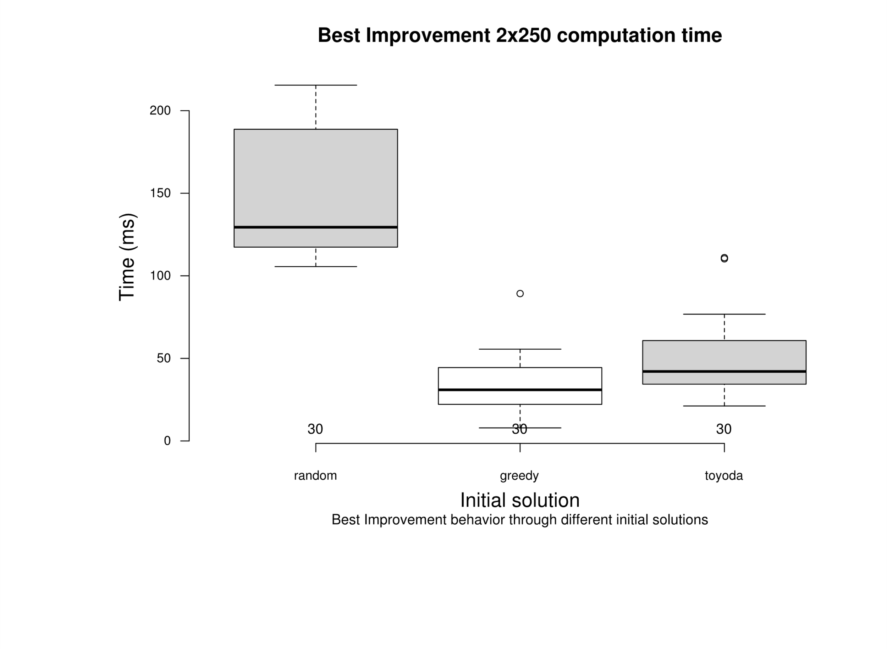
 |  |  |  |  |  |  |  |  |  |  |  |  |  | greedy | 5.64 | greedy | 32.47
 |  |  |  |  |  |  |  |  |  |  |  |  |  | greedy | 8.69 | greedy | 12.17
 |  |  |  |  |  |  |  |  |  |  |  |  |  | greedy | 8.90 | greedy | 7.90
 |  |  |  |  |  |  |  |  |  |  |  |  |  | greedy | 7.27 | greedy | 36.41
 |  |  |  |  |  |  |  |  |  |  |  |  |  | greedy | 6.78 | greedy | 20.52
 |  |  |  |  |  |  |  |  |  |  |  |  |  | greedy | 7.72 | greedy | 24.22
 |  |  |  |  |  |  |  |  |  |  |  |  |  | greedy | 2.74 | greedy | 44.97
 |  |  |  |  |  |  |  |  |  |  |  |  |  | greedy | 2.68 | greedy | 28.00
 |  |  |  |  |  |  |  |  |  |  |  |  |  | greedy | 2.57 | greedy | 44.89
 |  |  |  |  |  |  |  |  |  |  |  |  |  | greedy | 4.00 | greedy | 44.44
 |  |  |  |  |  |  |  |  |  |  |  |  |  | greedy | 2.72 | greedy | 89.27
 |  |  |  |  |  |  |  |  |  |  |  |  |  | greedy | 3.26 | greedy | 44.72
 |  |  |  |  |  |  |  |  |  |  |  |  |  | greedy | 3.09 | greedy | 44.53
 |  |  |  |  |  |  |  |  |  |  |  |  |  | greedy | 2.34 | greedy | 44.44
 |  |  |  |  |  |  |  |  |  |  |  |  |  | greedy | 2.02 | greedy | 55.58
 |  |  |  |  |  |  |  |  |  |  |  |  |  | greedy | 2.84 | greedy | 28.05
 |  |  |  |  |  |  |  |  |  |  |  |  |  | greedy | 0.89 | greedy | 39.03
 |  |  |  |  |  |  |  |  |  |  |  |  |  | greedy | 1.24 | greedy | 39.25
 |  |  |  |  |  |  |  |  |  |  | greedy | random |  | greedy | 1.40 | greedy | 30.05
 |  |  |  |  |  |  |  |  |  | random | 9.10E-11 | - |  | greedy | 2.04 | greedy | 31.45
 |  | greedy | random |  |  |  |  |  |  | toyoda | 2.60E-03 | 6.10E-16 |  | greedy | 1.49 | greedy | 30.45
 | random | 6.40E-01 | - |  |  |  |  |  |  |  |  |  |  | greedy | 1.44 | greedy | 17.56
 | toyoda | 1.30E-08 | 3.00E-10 |  |  |  |  |  |  |  |  |  |  | greedy | 1.13 | greedy | 34.37
 |  |  |  |  |  |  |  |  |  |  |  |  |  | greedy | 1.55 | greedy | 22.16
 |  |  |  |  |  |  |  |  |  |  |  |  |  | greedy | 0.67 | greedy | 44.00
 |  |  |  |  |  |  |  |  |  |  |  |  |  | greedy | 1.97 | greedy | 8.83
 |  |  |  |  |  |  |  |  |  |  |  |  |  | toyoda | 2.05 | toyoda | 25.64
 |  |  |  |  |  |  |  |  |  |  |  |  |  | toyoda | 0.45 | toyoda | 34.45
 |  |  |  |  |  |  |  |  |  |  |  |  |  | toyoda | 1.16 | toyoda | 76.75
 |  |  |  |  |  |  |  |  |  |  |  |  |  | toyoda | 0.31 | toyoda | 51.28
 |  |  |  |  |  |  |  |  |  |  |  |  |  | toyoda | 2.01 | toyoda | 57.90
 |  |  |  |  |  |  |  |  |  |  |  |  |  | toyoda | 1.67 | toyoda | 68.91
 |  |  |  |  |  |  |  |  |  |  |  |  |  | toyoda | 1.21 | toyoda | 42.32
 |  |  |  |  |  |  |  |  |  |  |  |  |  | toyoda | 1.67 | toyoda | 60.44
 |  |  |  |  |  |  |  |  |  |  |  |  |  | toyoda | 0.98 | toyoda | 33.65
 |  |  |  |  |  |  |  |  |  |  |  |  |  | toyoda | 0.63 | toyoda | 34.50
 |  |  |  |  |  |  |  |  |  |  |  |  |  | toyoda | 0.58 | toyoda | 110.30
 |  |  |  |  |  |  |  |  |  |  |  |  |  | toyoda | 0.64 | toyoda | 60.79
 |  |  |  |  |  |  |  |  |  |  |  |  |  | toyoda | 0.39 | toyoda | 30.81
 |  |  |  |  |  |  |  |  |  |  |  |  |  | toyoda | 0.39 | toyoda | 70.10
 |  |  |  |  |  |  |  |  |  |  |  |  |  | toyoda | 0.70 | toyoda | 48.18
 |  |  |  |  |  |  |  |  |  |  |  |  |  | toyoda | 0.53 | toyoda | 111.02
 |  |  |  |  |  |  |  |  |  |  |  |  |  | toyoda | 0.69 | toyoda | 50.76
 |  |  |  |  |  |  |  |  |  |  |  |  |  | toyoda | 1.03 | toyoda | 51.22
 |  |  |  |  |  |  |  |  |  |  |  |  |  | toyoda | 1.30 | toyoda | 30.12
 |  |  |  |  |  |  |  |  |  |  |  |  |  | toyoda | 0.51 | toyoda | 65.38
 |  |  |  |  |  |  |  |  |  |  |  |  |  | toyoda | 0.42 | toyoda | 21.18
 |  |  |  |  |  |  |  |  |  |  |  |  |  | toyoda | 0.46 | toyoda | 41.84
 |  |  |  |  |  |  |  |  |  |  |  |  |  | toyoda | 0.14 | toyoda | 67.84
 |  |  |  |  |  |  |  |  |  |  |  |  |  | toyoda | 0.22 | toyoda | 41.55
 |  |  |  |  |  |  |  |  |  |  |  |  |  | toyoda | 0.30 | toyoda | 40.15
 |  |  |  |  |  |  |  |  |  |  |  |  |  | toyoda | 0.16 | toyoda | 33.66
 |  |  |  |  |  |  |  |  |  |  |  |  |  | toyoda | 0.26 | toyoda | 34.37
 |  |  |  |  |  |  |  |  |  |  |  |  |  | toyoda | 0.48 | toyoda | 29.98
 |  |  |  |  |  |  |  |  |  |  |  |  |  | toyoda | 0.20 | toyoda | 41.16
 |  |  |  |  |  |  |  |  |  |  |  |  |  | toyoda | 0.33 | toyoda | 39.75

10x250-fi-vs-vnd
Fraction of instances that improves from ch
 | First Improvement |  |  | VND First Improvement
 | Random | Greedy | Toyoda | Random | Greedy | Toyoda | Time |  |  | Percentage Deviation |  |  | Time (min)
Instance | Δ avg | Δ | Δ | Δ avg | Δ | Δ | random | greedy | toyoda | random | greedy | toyoda | random | greedy | toyoda
OR10x250-0.25_1 | 6.12 | 9.07 | 2.44 | 3.59 | 2.35 | 0.44 | 44739.09 | 56664.47 | 126550.09 | 3.59 | 2.35 | 0.44 | 44.74 | 56.66 | 126.55
OR10x250-0.25_2 | 7.42 | 8.30 | 0.79 | 3.50 | 2.06 | 0.33 | 89815.15 | 54165.46 | 50107.17 | 3.50 | 2.06 | 0.33 | 89.82 | 54.17 | 50.11
OR10x250-0.25_3 | 7.85 | 8.47 | 1.04 | 3.47 | 2.76 | 0.55 | 90385.28 | 54494.81 | 45238.75 | 3.47 | 2.76 | 0.55 | 90.39 | 54.49 | 45.24
OR10x250-0.25_4 | 6.26 | 8.28 | 0.96 | 3.22 | 1.85 | 0.30 | 60615.99 | 72660.70 | 98323.97 | 3.22 | 1.85 | 0.30 | 60.62 | 72.66 | 98.32
OR10x250-0.25_5 | 6.18 | 8.84 | 2.04 | 3.44 | 3.45 | 0.78 | 78600.01 | 12579.22 | 54399.87 | 3.44 | 3.45 | 0.78 | 78.60 | 12.58 | 54.40
OR10x250-0.25_6 | 7.37 | 7.77 | 2.65 | 3.56 | 4.12 | 0.63 | 50259.22 | 15198.56 | 48250.24 | 3.56 | 4.12 | 0.63 | 50.26 | 15.20 | 48.25
OR10x250-0.25_7 | 7.47 | 5.59 | 1.40 | 3.44 | 4.04 | 0.28 | 65664.45 | 12043.01 | 67475.92 | 3.44 | 4.04 | 0.28 | 65.66 | 12.04 | 67.48
OR10x250-0.25_8 | 5.26 | 7.80 | 1.38 | 3.06 | 3.20 | 0.83 | 62689.71 | 16271.79 | 123103.99 | 3.06 | 3.20 | 0.83 | 62.69 | 16.27 | 123.10
OR10x250-0.25_9 | 7.56 | 7.80 | 0.84 | 3.80 | 2.25 | 0.30 | 83640.02 | 18091.31 | 55227.74 | 3.80 | 2.25 | 0.30 | 83.64 | 18.09 | 55.23
OR10x250-0.25_10 | 7.11 | 9.13 | 0.70 | 3.80 | 2.87 | 0.32 | 86455.74 | 38746.38 | 64083.38 | 3.80 | 2.87 | 0.32 | 86.46 | 38.75 | 64.08
OR10x250-0.50_1 | 3.74 | 3.08 | 1.59 | 1.51 | 0.46 | 0.39 | 2671826.82 | 7324704.13 | 3097737.87 | 1.51 | 0.46 | 0.39 | 2671.83 | 7324.70 | 3097.74
OR10x250-0.50_2 | 4.23 | 2.53 | 1.59 | 1.65 | 0.90 | 0.36 | 1438399.92 | 1848399.39 | 3217549.50 | 1.65 | 0.90 | 0.36 | 1438.40 | 1848.40 | 3217.55
OR10x250-0.50_3 | 4.11 | 3.43 | 0.49 |  | 1.03 | 0.28 |  | 1489156.39 | 4314538.73 |  | 1.03 | 0.28 |  | 1489.16 | 4314.54
OR10x250-0.50_4 | 3.27 | 3.16 | 0.70 |  | 1.04 | 0.29 |  | 1672588.06 | 5614099.36 |  | 1.04 | 0.29 |  | 1672.59 | 5614.10
OR10x250-0.50_5 | 4.36 | 3.44 | 0.50 |  | 2.31 | 0.24 |  | 1100209.79 | 1990461.00 |  | 2.31 | 0.24 |  | 1100.21 | 1990.46
OR10x250-0.50_6 | 4.07 | 4.51 | 1.06 |  | 0.66 | 0.28 |  | 1724390.67 | 6460403.26 |  | 0.66 | 0.28 |  | 1724.39 | 6460.40
OR10x250-0.50_7 | 4.29 | 4.39 | 0.81 |  | 0.74 | 0.33 |  | 1918550.83 | 2155586.41 |  | 0.74 | 0.33 |  | 1918.55 | 2155.59
OR10x250-0.50_8 | 4.39 | 4.29 | 0.75 |  | 1.41 | 0.32 |  | 1451121.14 | 2580113.89 |  | 1.41 | 0.32 |  | 1451.12 | 2580.11
OR10x250-0.50_9 | 4.64 | 2.30 | 0.81 |  | 0.50 | 0.40 |  | 4282731.50 | 5778856.67 |  | 0.50 | 0.40 |  | 4282.73 | 5778.86
OR10x250-0.50_10 | 3.82 | 2.91 | 0.81 |  | 0.84 | 0.28 |  | 2654951.44 | 10452210.84 |  | 0.84 | 0.28 |  | 2654.95 | 10452.21
OR10x250-0.75_1 | 2.51 | 0.80 | 0.43 |  | 0.41 |  |  | 60276050.25 |  |  | 0.41 |  |  | 60276.05
OR10x250-0.75_2 | 2.25 | 1.26 | 0.55 |  | 0.37 |  |  | 42066749.67 |  |  | 0.37 |  |  | 42066.75
OR10x250-0.75_3 | 1.99 | 0.70 | 0.48
OR10x250-0.75_4 | 2.14 | 1.81 | 0.42
OR10x250-0.75_5 | 2.04 | 1.35 | 0.51
OR10x250-0.75_6 | 2.19 | 1.20 | 0.24
OR10x250-0.75_7 | 2.21 | 1.23 | 0.53
OR10x250-0.75_8 | 2.20 | 1.04 | 0.62
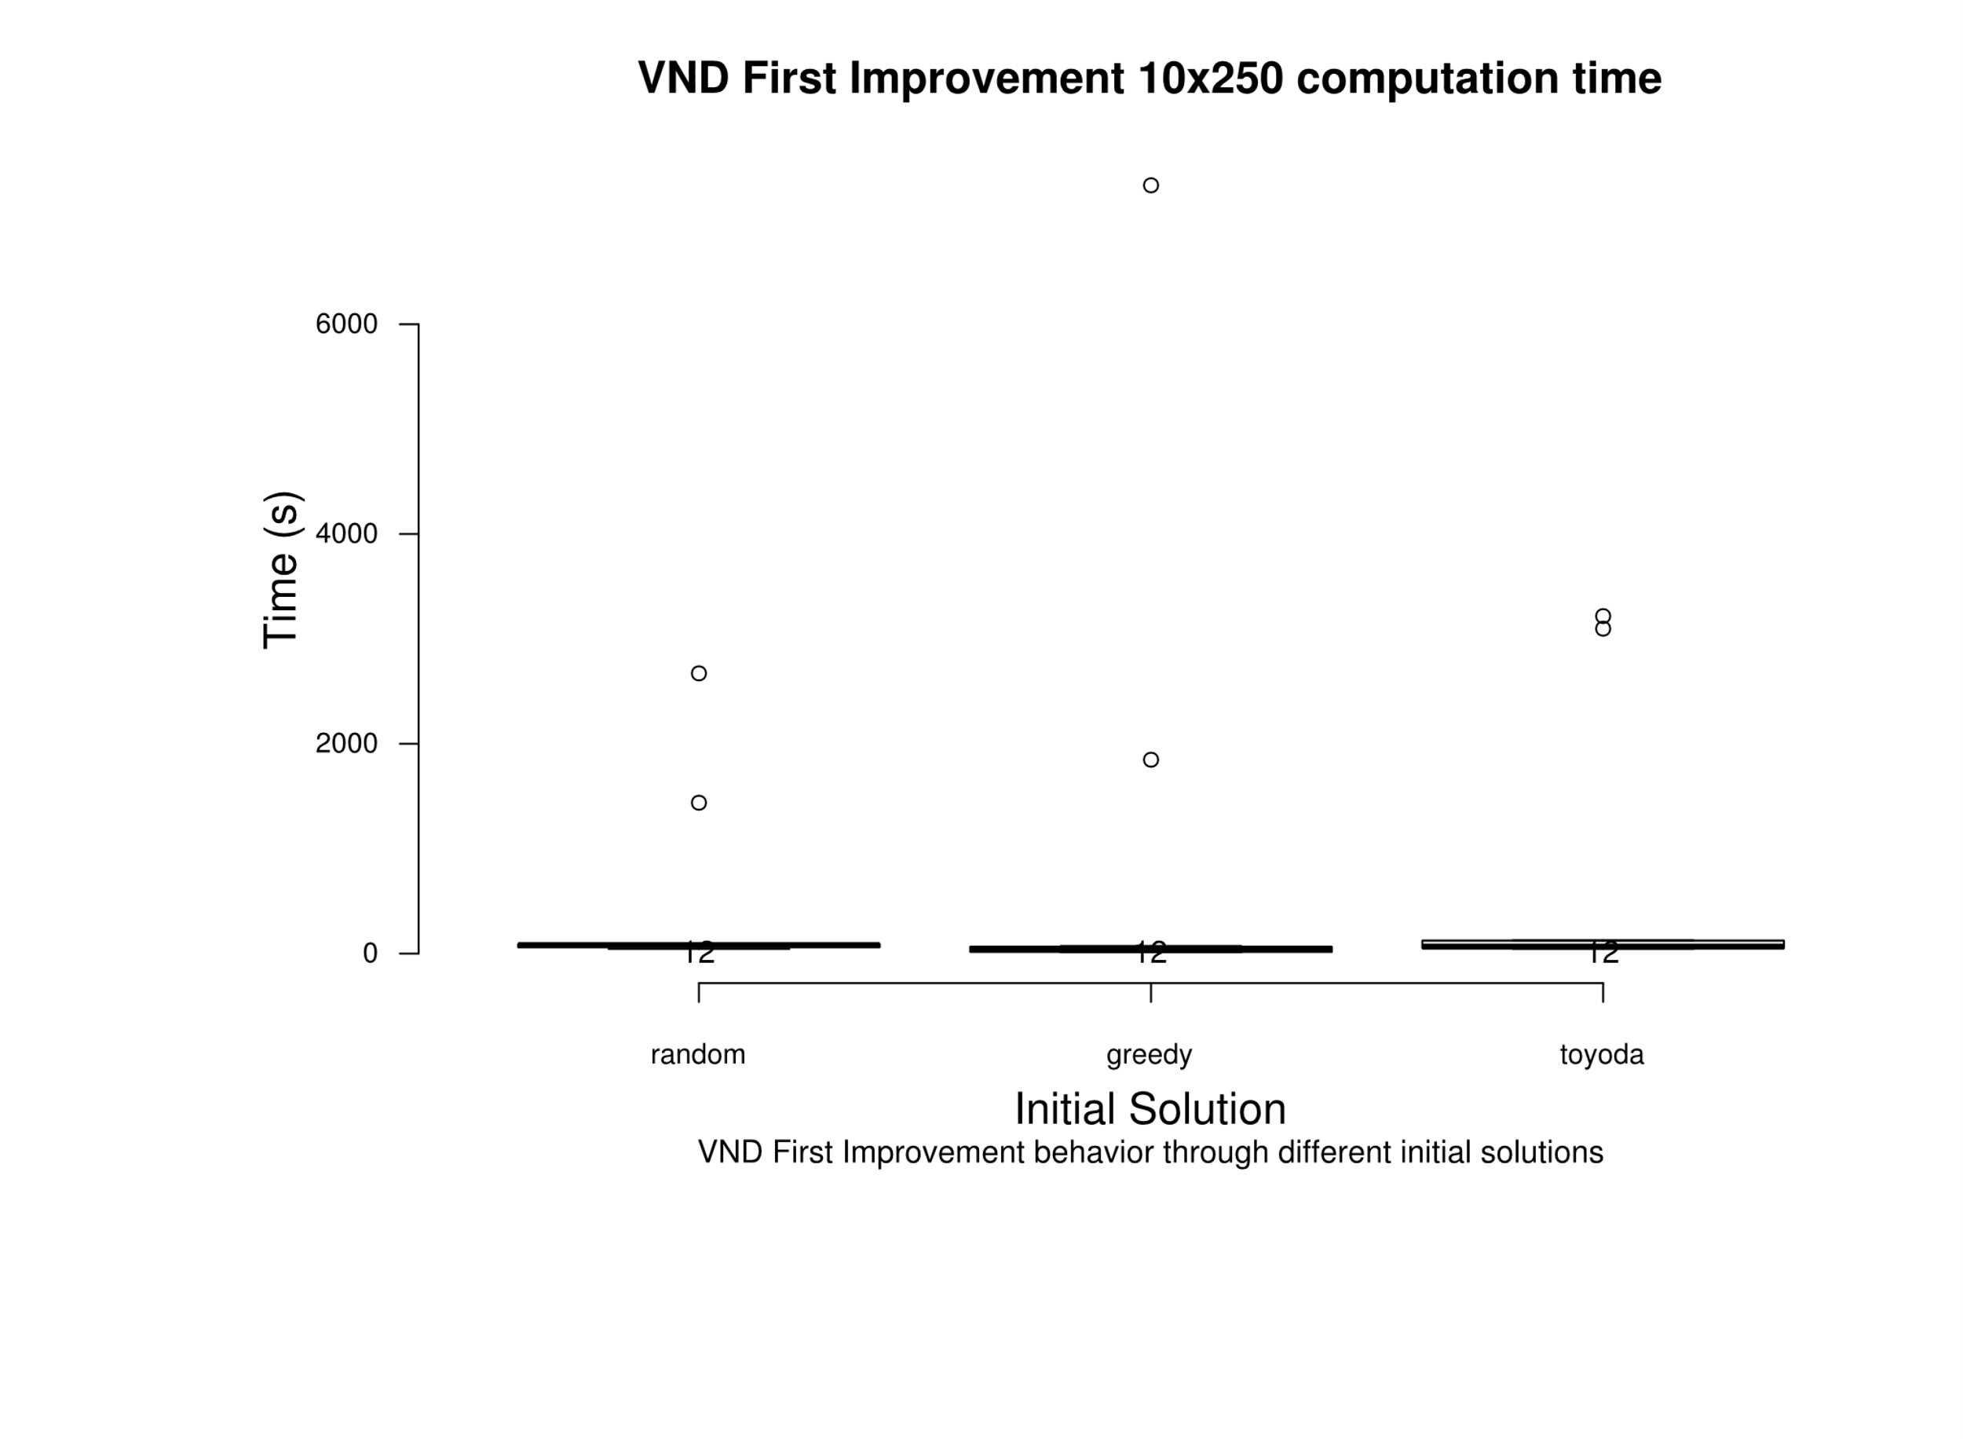
OR10x250-0.75_9 | 2.72 | 0.89 | 0.41
OR10x250-0.75_10 | 1.86 | 1.97 | 0.38

 |  |  |  |  |  |  |  |  |  |  |  |  |  |  | greedy | random
 |  |  |  |  |  |  |  |  |  |  |  | Upper whisker |  | random | 8.50E-02 | -
 |  |  |  |  |  |  |  |  |  |  |  | 3rd quartile |  | toyoda | 2.34E-01 | 1.00E+00
 |  |  |  |  |  |  |  |  |  |  |  | Median
 |  |  |  |  |  |  |  |  |  |  |  | 1st quartile
 |  |  |  |  |  |  |  |  |  |  |  | Lower whisker
 |  |  |  |  |  |  |  |  |  |  |  | Nr. of data points

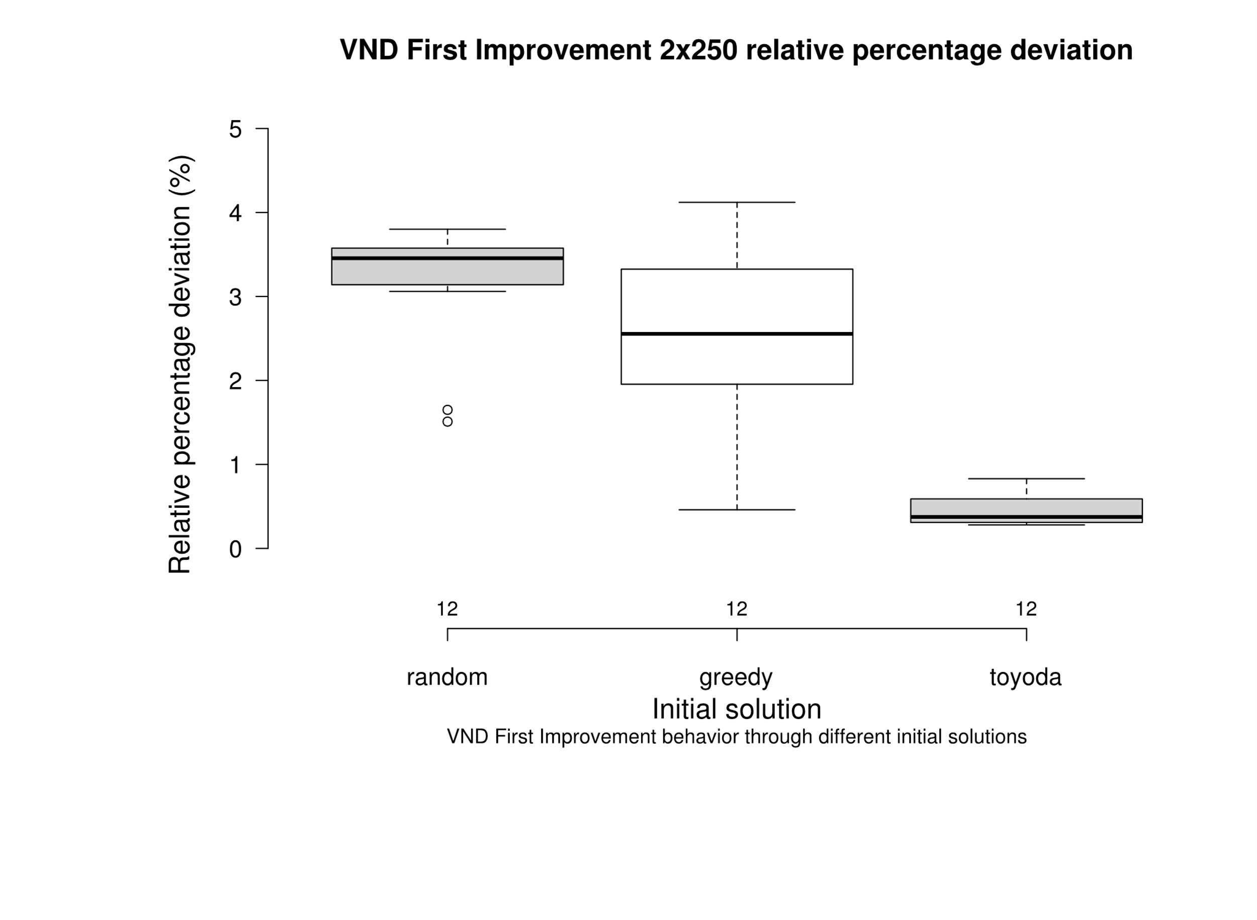

 |  |  |  |  |  |  |  |  |  |  |  |  |  |  |  | greedy | random
 | Deviation |  |  | Time |  |  |  |  |  |  |  |  |  |  | random | 3.78E-01 | -
 | random | 3.59 |  | random | 44739.09 |  |  |  |  |  |  |  |  |  | toyoda | 2.90E-04 | 1.10E-04
 | random | 3.50 |  | random | 89815.15
 | random | 3.47 |  | random | 90385.28
 | random | 3.22 |  | random | 60615.99
 | random | 3.44 |  | random | 78600.01
 | random | 3.56 |  | random | 50259.22
 | random | 3.44 |  | random | 65664.45
 | random | 3.06 |  | random | 62689.71
 | random | 3.80 |  | random | 83640.02
 | random | 3.80 |  | random | 86455.74
 | random | 1.51 |  | random | 2671826.82
 | random | 1.65 |  | random | 1438399.92
 | greedy | 2.35 |  | greedy | 56664.47
 | greedy | 2.06 |  | greedy | 54165.46
 | greedy | 2.76 |  | greedy | 54494.81
 | greedy | 1.85 |  | greedy | 72660.70
 | greedy | 3.45 |  | greedy | 12579.22
 | greedy | 4.12 |  | greedy | 15198.56
 | greedy | 4.04 |  | greedy | 12043.01
 | greedy | 3.20 |  | greedy | 16271.79
 | greedy | 2.25 |  | greedy | 18091.31
 | greedy | 2.87 |  | greedy | 38746.38
 | greedy | 0.46 |  | greedy | 7324704.13
 | greedy | 0.90 |  | greedy | 1848399.39
 | toyoda | 0.44 |  | toyoda | 126550.09
 | toyoda | 0.33 |  | toyoda | 50107.17
 | toyoda | 0.55 |  | toyoda | 45238.75
 | toyoda | 0.30 |  | toyoda | 98323.97
 | toyoda | 0.78 |  | toyoda | 54399.87
 | toyoda | 0.63 |  | toyoda | 48250.24
 | toyoda | 0.28 |  | toyoda | 67475.92
 | toyoda | 0.83 |  | toyoda | 123103.99
 | toyoda | 0.30 |  | toyoda | 55227.74
 | toyoda | 0.32 |  | toyoda | 64083.38
 | toyoda | 0.39 |  | toyoda | 3097737.87
 | toyoda | 0.36 |  | toyoda | 3217549.50

